Sheet3
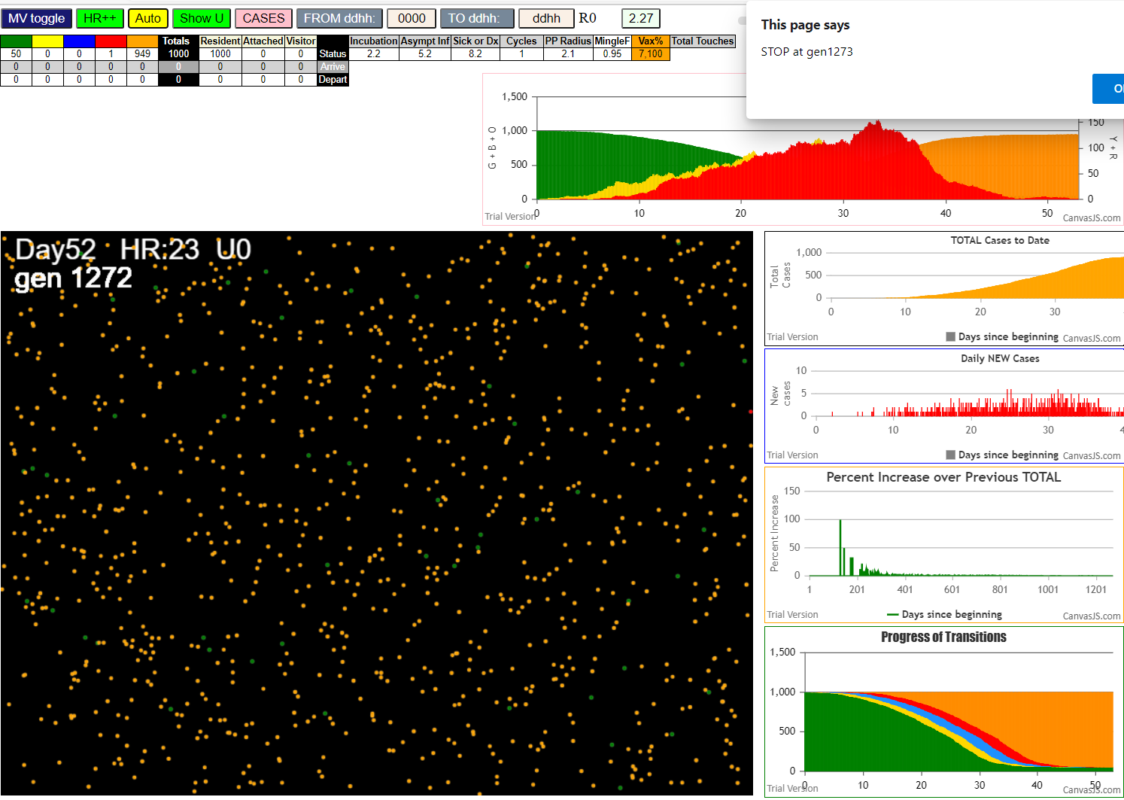

AgeVaxH35FF14.js:871 Sat Jan 30 2021 19:00:07 GMT-0800 (Pacific Standard Time)
AgeVaxH35FF14.js:872 CovidSIMVL Mode1 and Mod2 Hybrid 35d
AgeVaxH35FF14.js:873 Mode 1 >13 and <36 is 75%
AgeVaxH35FF14.js:874 Mode 2 >28 is 95%; >13 and <29 is 75%
AgeVaxH35FF14.js:4466 exit covidSim
AgeVaxH35FF14.js:23 getAsText File {name: "Popn1000.csv", lastModified: 1611430642000, lastModifiedDate: Sat Jan 23 2021 11:37:22 GMT-0800 (Pacific Standard Time), webkitRelativePath: "", size: 23944, …}
AgeVaxH35FF14.js:32 File {name: "Popn1000.csv", lastModified: 1611430642000, lastModifiedDate: Sat Jan 23 2021 11:37:22 GMT-0800 (Pacific Standard Time), webkitRelativePath: "", size: 23944, …}
AgeVaxH35FF14.js:23 getAsText File {name: "VL1ff.csv", lastModified: 1612061327299, lastModifiedDate: Sat Jan 30 2021 18:48:47 GMT-0800 (Pacific Standard Time), webkitRelativePath: "", size: 65, …}
AgeVaxH35FF14.js:32 File {name: "VL1ff.csv", lastModified: 1612061327299, lastModifiedDate: Sat Jan 30 2021 18:48:47 GMT-0800 (Pacific Standard Time), webkitRelativePath: "", size: 65, …}
AgeVaxH35FF14.js:1675 Red Days changed to 8.2
AgeVaxH35FF14.js:1697 New Hazard Radius = 2.1
AgeVaxH35FF14.js:1711 new Mingle Factor = 0.95
AgeVaxH35FF14.js:1719 Age Group 9,100 1st shot; 2nd auto in 35days
AgeVaxH35FF14.js:1725 AgeGp =9 To be vaccinated=100%
AgeVaxH35FF14.js:1736 (1000) [0, 1, 2, 3, 4, 5, 6, 7, 8, 9, 10, 11, 12, 13, 14, 15, 16, 17, 18, 19, 20, 21, 22, 23, 24, 25, 26, 27, 28, 29, 30, 31, 32, 33, 34, 35, 36, 37, 38, 39, 40, 41, 42, 43, 44, 45, 46, 47, 48, 49, 50, 51, 52, 53, 54, 55, 56, 57, 58, 59, 60, 61, 62, 63, 64, 65, 66, 67, 68, 69, 70, 71, 72, 73, 74, 75, 76, 77, 78, 79, 80, 81, 82, 83, 84, 85, 86, 87, 88, 89, 90, 91, 92, 93, 94, 95, 96, 97, 98, 99, …]
AgeVaxH35FF14.js:1752 ageGp9 count: 18 List: 982,983,984,985,986,987,988,989,990,991,992,993,994,995,996,997,998,999
AgeVaxH35FF14.js:1780 Vaccination list = 18
AgeVaxH35FF14.js:1796 AgeGp9 vaccinated 18 List: 990,988,986,992,994,996,987,983,993,991,985,995,989,984,998,982,999,997
AgeVaxH35FF14.js:1719 Age Group 8,100 1st shot; 2nd auto in 35days
AgeVaxH35FF14.js:1725 AgeGp =8 To be vaccinated=100%
AgeVaxH35FF14.js:1736 (1000) [0, 1, 2, 3, 4, 5, 6, 7, 8, 9, 10, 11, 12, 13, 14, 15, 16, 17, 18, 19, 20, 21, 22, 23, 24, 25, 26, 27, 28, 29, 30, 31, 32, 33, 34, 35, 36, 37, 38, 39, 40, 41, 42, 43, 44, 45, 46, 47, 48, 49, 50, 51, 52, 53, 54, 55, 56, 57, 58, 59, 60, 61, 62, 63, 64, 65, 66, 67, 68, 69, 70, 71, 72, 73, 74, 75, 76, 77, 78, 79, 80, 81, 82, 83, 84, 85, 86, 87, 88, 89, 90, 91, 92, 93, 94, 95, 96, 97, 98, 99, …]
AgeVaxH35FF14.js:1752 ageGp8 count: 33 List: 949,950,951,952,953,954,955,956,957,958,959,960,961,962,963,964,965,966,967,968,969,970,971,972,973,974,975,976,977,978,979,980,981
AgeVaxH35FF14.js:1780 Vaccination list = 33
AgeVaxH35FF14.js:1796 AgeGp8 vaccinated 33 List: 955,950,979,981,952,975,954,960,967,969,978,965,961,949,956,974,964,963,959,957,972,973,976,980,977,951,958,968,962,971,970,953,966
AgeVaxH35FF14.js:1719 Age Group 7,100 1st shot; 2nd auto in 35days
AgeVaxH35FF14.js:1725 AgeGp =7 To be vaccinated=100%
AgeVaxH35FF14.js:1736 (1000) [0, 1, 2, 3, 4, 5, 6, 7, 8, 9, 10, 11, 12, 13, 14, 15, 16, 17, 18, 19, 20, 21, 22, 23, 24, 25, 26, 27, 28, 29, 30, 31, 32, 33, 34, 35, 36, 37, 38, 39, 40, 41, 42, 43, 44, 45, 46, 47, 48, 49, 50, 51, 52, 53, 54, 55, 56, 57, 58, 59, 60, 61, 62, 63, 64, 65, 66, 67, 68, 69, 70, 71, 72, 73, 74, 75, 76, 77, 78, 79, 80, 81, 82, 83, 84, 85, 86, 87, 88, 89, 90, 91, 92, 93, 94, 95, 96, 97, 98, 99, …]
AgeVaxH35FF14.js:1752 ageGp7 count: 47 List: 902,903,904,905,906,907,908,909,910,911,912,913,914,915,916,917,918,919,920,921,922,923,924,925,926,927,928,929,930,931,932,933,934,935,936,937,938,939,940,941,942,943,944,945,946,947,948
AgeVaxH35FF14.js:1780 Vaccination list = 47
AgeVaxH35FF14.js:1796 AgeGp7 vaccinated 47 List: 930,902,932,906,947,929,908,912,938,946,931,918,926,937,922,942,923,914,911,927,928,905,916,910,903,934,943,913,907,941,917,940,933,924,944,935,904,925,939,915,936,909,920,948,919,945,921
AgeVaxH35FF14.js:2307 1I x:ageGp:fam 83:1:-1 by blue 150:2:-1 at gen6 Univ0 prob=0.842
AgeVaxH35FF14.js:2307 2I x:ageGp:fam 320:2:-1 by blue 150:2:-1 at gen24 Univ0 prob=0.245
AgeVaxH35FF14.js:2307 3I x:ageGp:fam 53:1:-1 by blue 150:2:-1 at gen51 Univ0 prob=0.881
AgeVaxH35FF14.js:2307 4I x:ageGp:fam 687:4:-1 by red 150:2:-1 at gen55 Univ0 prob=0.203
AgeVaxH35FF14.js:2307 5I x:ageGp:fam 81:1:-1 by red 150:2:-1 at gen63 Univ0 prob=0.831
AgeVaxH35FF14.js:2307 5I x:ageGp:fam 602:4:-1 by red 150:2:-1 at gen63 Univ0 prob=0.742
AgeVaxH35FF14.js:2307 7I x:ageGp:fam 545:4:-1 by red 150:2:-1 at gen67 Univ0 prob=0.664
AgeVaxH35FF14.js:2169 Vax prevented 959 ageGp8 by 150 gen73
AgeVaxH35FF14.js:2169 Vax prevented 992 ageGp9 by 150 gen83
AgeVaxH35FF14.js:2307 8I x:ageGp:fam 236:2:-1 by blue 83:1:-1 at gen96 Univ0 prob=0.925
AgeVaxH35FF14.js:2307 9I x:ageGp:fam 992:9:-1 by red 150:2:-1 at gen98 Univ0 prob=0.997
AgeVaxH35FF14.js:2169 Vax prevented 992 ageGp9 by 150 gen99
AgeVaxH35FF14.js:2307 10I x:ageGp:fam 364:3:-1 by blue 687:4:-1 at gen108 Univ0 prob=0.118
AgeVaxH35FF14.js:2307 10I x:ageGp:fam 787:5:-1 by blue 83:1:-1 at gen109 Univ0 prob=0.011
AgeVaxH35FF14.js:2307 11I x:ageGp:fam 574:4:-1 by blue 83:1:-1 at gen110 Univ0 prob=0.272
AgeVaxH35FF14.js:2307 13I x:ageGp:fam 816:5:-1 by blue 53:1:-1 at gen115 Univ0 prob=0.453
AgeVaxH35FF14.js:2169 Vax prevented 992 ageGp9 by 150 gen115
AgeVaxH35FF14.js:2307 14I x:ageGp:fam 460:3:-1 by blue 53:1:-1 at gen121 Univ0 prob=0.573
AgeVaxH35FF14.js:2307 14I x:ageGp:fam 55:1:-1 by blue 83:1:-1 at gen121 Univ0 prob=0.561
AgeVaxH35FF14.js:2307 16I x:ageGp:fam 275:2:-1 by blue 83:1:-1 at gen123 Univ0 prob=0.222
AgeVaxH35FF14.js:2307 17I x:ageGp:fam 426:3:-1 by blue 83:1:-1 at gen127 Univ0 prob=0.956
AgeVaxH35FF14.js:2307 18I x:ageGp:fam 244:2:-1 by red 83:1:-1 at gen132 Univ0 prob=0.151
AgeVaxH35FF14.js:2307 19I x:ageGp:fam 334:2:-1 by blue 602:4:-1 at gen138 Univ0 prob=0.163
AgeVaxH35FF14.js:2307 20I x:ageGp:fam 346:2:-1 by blue 602:4:-1 at gen140 Univ0 prob=0.518
AgeVaxH35FF14.js:2307 21I x:ageGp:fam 445:3:-1 by blue 53:1:-1 at gen142 Univ0 prob=0.357
AgeVaxH35FF14.js:2307 21I x:ageGp:fam 959:8:-1 by red 83:1:-1 at gen142 Univ0 prob=0.947
AgeVaxH35FF14.js:2307 21I x:ageGp:fam 712:5:-1 by blue 545:4:-1 at gen142 Univ0 prob=0.234
AgeVaxH35FF14.js:2307 24I x:ageGp:fam 176:2:-1 by red 83:1:-1 at gen144 Univ0 prob=0.000
AgeVaxH35FF14.js:2307 25I x:ageGp:fam 153:2:-1 by blue 236:2:-1 at gen147 Univ0 prob=0.047
AgeVaxH35FF14.js:2169 Vax prevented 943 ageGp7 by 53 gen149
AgeVaxH35FF14.js:2307 26I x:ageGp:fam 770:5:-1 by blue 53:1:-1 at gen152 Univ0 prob=0.958
AgeVaxH35FF14.js:2307 27I x:ageGp:fam 657:4:-1 by blue 81:1:-1 at gen155 Univ0 prob=0.196
AgeVaxH35FF14.js:2307 27I x:ageGp:fam 396:3:-1 by yellow 364:3:-1 at gen156 Univ0 prob=0.371
AgeVaxH35FF14.js:2307 27I x:ageGp:fam 462:3:-1 by blue 545:4:-1 at gen156 Univ0 prob=0.052
AgeVaxH35FF14.js:2307 30I x:ageGp:fam 64:1:-1 by blue 602:4:-1 at gen160 Univ0 prob=0.056
AgeVaxH35FF14.js:2307 31I x:ageGp:fam 35:0:-1 by blue 81:1:-1 at gen162 Univ0 prob=0.961
AgeVaxH35FF14.js:2307 31I x:ageGp:fam 745:5:-1 by blue 545:4:-1 at gen162 Univ0 prob=0.932
AgeVaxH35FF14.js:2307 31I x:ageGp:fam 221:2:-1 by blue 81:1:-1 at gen163 Univ0 prob=0.665
AgeVaxH35FF14.js:2307 33I x:ageGp:fam 166:2:-1 by red 83:1:-1 at gen164 Univ0 prob=0.176
AgeVaxH35FF14.js:2307 33I x:ageGp:fam 588:4:-1 by red 320:2:-1 at gen164 Univ0 prob=0.026
AgeVaxH35FF14.js:2307 34I x:ageGp:fam 468:3:-1 by blue 53:1:-1 at gen165 Univ0 prob=0.943
AgeVaxH35FF14.js:2307 34I x:ageGp:fam 570:4:-1 by blue 992:9:-1 at gen165 Univ0 prob=0.775
AgeVaxH35FF14.js:2307 36I x:ageGp:fam 502:3:-1 by blue 364:3:-1 at gen166 Univ0 prob=0.962
AgeVaxH35FF14.js:2307 39I x:ageGp:fam 640:4:-1 by blue 992:9:-1 at gen170 Univ0 prob=0.567
AgeVaxH35FF14.js:2169 Vax prevented 940 ageGp7 by 992 gen171
AgeVaxH35FF14.js:2307 40I x:ageGp:fam 831:6:-1 by blue 236:2:-1 at gen172 Univ0 prob=0.254
AgeVaxH35FF14.js:2195 No transmit 992 ageGp9 on 940 ageGp7 gen172
AgeVaxH35FF14.js:2307 41I x:ageGp:fam 262:2:-1 by red 53:1:-1 at gen174 Univ0 prob=0.133
AgeVaxH35FF14.js:2169 Vax prevented 943 ageGp7 by 53 gen174
AgeVaxH35FF14.js:2307 42I x:ageGp:fam 764:5:-1 by red 320:2:-1 at gen176 Univ0 prob=0.675
AgeVaxH35FF14.js:2307 43I x:ageGp:fam 433:3:-1 by blue 574:4:-1 at gen180 Univ0 prob=0.949
AgeVaxH35FF14.js:2307 43I x:ageGp:fam 615:4:-1 by blue 992:9:-1 at gen180 Univ0 prob=0.094
AgeVaxH35FF14.js:2307 43I x:ageGp:fam 351:2:-1 by red 53:1:-1 at gen181 Univ0 prob=0.834
AgeVaxH35FF14.js:2307 45I x:ageGp:fam 627:4:-1 by red 83:1:-1 at gen182 Univ0 prob=0.344
AgeVaxH35FF14.js:2307 45I x:ageGp:fam 867:6:-1 by green 627:4:-1 at gen182 Univ0 prob=0.747
AgeVaxH35FF14.js:2307 46I x:ageGp:fam 282:2:-1 by blue 275:2:-1 at gen183 Univ0 prob=0.815
AgeVaxH35FF14.js:2307 46I x:ageGp:fam 499:3:-1 by blue 787:5:-1 at gen183 Univ0 prob=0.021
AgeVaxH35FF14.js:2307 46I x:ageGp:fam 644:4:-1 by blue 992:9:-1 at gen183 Univ0 prob=0.550
AgeVaxH35FF14.js:2307 48I x:ageGp:fam 616:4:-1 by red 320:2:-1 at gen184 Univ0 prob=0.687
AgeVaxH35FF14.js:2307 48I x:ageGp:fam 808:5:-1 by yellow 499:3:-1 at gen184 Univ0 prob=0.578
AgeVaxH35FF14.js:2307 48I x:ageGp:fam 535:3:-1 by blue 574:4:-1 at gen184 Univ0 prob=0.583
AgeVaxH35FF14.js:2307 54I x:ageGp:fam 660:4:-1 by blue 574:4:-1 at gen189 Univ0 prob=0.698
AgeVaxH35FF14.js:2307 54I x:ageGp:fam 695:5:-1 by yellow 499:3:-1 at gen190 Univ0 prob=0.751
AgeVaxH35FF14.js:2307 55I x:ageGp:fam 734:5:-1 by blue 334:2:-1 at gen191 Univ0 prob=0.259
AgeVaxH35FF14.js:2307 57I x:ageGp:fam 596:4:-1 by blue 460:3:-1 at gen195 Univ0 prob=0.442
AgeVaxH35FF14.js:2307 57I x:ageGp:fam 596:4:-1 by blue 816:5:-1 at gen195 Univ0 prob=0.995
AgeVaxH35FF14.js:2307 58I x:ageGp:fam 647:4:-1 by blue 460:3:-1 at gen201 Univ0 prob=0.681
AgeVaxH35FF14.js:2307 59I x:ageGp:fam 801:5:-1 by blue 426:3:-1 at gen203 Univ0 prob=0.811
AgeVaxH35FF14.js:2307 60I x:ageGp:fam 575:4:-1 by blue 462:3:-1 at gen207 Univ0 prob=0.916
AgeVaxH35FF14.js:2307 60I x:ageGp:fam 178:2:-1 by blue 236:2:-1 at gen208 Univ0 prob=0.813
AgeVaxH35FF14.js:2307 62I x:ageGp:fam 648:4:-1 by blue 770:5:-1 at gen214 Univ0 prob=0.027
AgeVaxH35FF14.js:2307 62I x:ageGp:fam 147:2:-1 by blue 334:2:-1 at gen215 Univ0 prob=0.126
AgeVaxH35FF14.js:2307 64I x:ageGp:fam 233:2:-1 by blue 445:3:-1 at gen217 Univ0 prob=0.763
AgeVaxH35FF14.js:2307 64I x:ageGp:fam 309:2:-1 by blue 959:8:-1 at gen217 Univ0 prob=0.574
AgeVaxH35FF14.js:2169 Vax prevented 991 ageGp9 by 959 gen218
AgeVaxH35FF14.js:2307 66I x:ageGp:fam 788:5:-1 by blue 153:2:-1 at gen220 Univ0 prob=0.364
AgeVaxH35FF14.js:2307 66I x:ageGp:fam 246:2:-1 by blue 640:4:-1 at gen220 Univ0 prob=0.420
AgeVaxH35FF14.js:2307 66I x:ageGp:fam 727:5:-1 by blue 640:4:-1 at gen220 Univ0 prob=0.218
AgeVaxH35FF14.js:2307 69I x:ageGp:fam 458:3:-1 by blue 640:4:-1 at gen222 Univ0 prob=0.594
AgeVaxH35FF14.js:2307 69I x:ageGp:fam 711:5:-1 by blue 153:2:-1 at gen223 Univ0 prob=0.442
AgeVaxH35FF14.js:2307 71I x:ageGp:fam 27:0:-1 by yellow 764:5:-1 at gen225 Univ0 prob=0.236
AgeVaxH35FF14.js:2307 71I x:ageGp:fam 494:3:-1 by blue 445:3:-1 at gen225 Univ0 prob=0.421
AgeVaxH35FF14.js:2307 73I x:ageGp:fam 204:2:-1 by yellow 764:5:-1 at gen227 Univ0 prob=0.347
AgeVaxH35FF14.js:2307 73I x:ageGp:fam 542:4:-1 by blue 657:4:-1 at gen228 Univ0 prob=0.734
AgeVaxH35FF14.js:2307 75I x:ageGp:fam 148:2:-1 by blue 460:3:-1 at gen230 Univ0 prob=0.888
AgeVaxH35FF14.js:2307 75I x:ageGp:fam 848:6:-1 by blue 275:2:-1 at gen230 Univ0 prob=0.587
AgeVaxH35FF14.js:2195 No transmit 992 ageGp9 on 940 ageGp7 gen231
AgeVaxH35FF14.js:2307 77I x:ageGp:fam 108:1:-1 by red 53:1:-1 at gen232 Univ0 prob=0.986
AgeVaxH35FF14.js:2307 78I x:ageGp:fam 211:2:-1 by red 81:1:-1 at gen234 Univ0 prob=0.292
AgeVaxH35FF14.js:2307 78I x:ageGp:fam 452:3:-1 by blue 764:5:-1 at gen235 Univ0 prob=0.422
AgeVaxH35FF14.js:2307 79I x:ageGp:fam 123:1:-1 by red 992:9:-1 at gen236 Univ0 prob=0.311
AgeVaxH35FF14.js:2307 81I x:ageGp:fam 991:9:-1 by blue 35:0:-1 at gen238 Univ0 prob=0.767
AgeVaxH35FF14.js:2307 81I x:ageGp:fam 658:4:-1 by blue 176:2:-1 at gen238 Univ0 prob=0.172
AgeVaxH35FF14.js:2307 81I x:ageGp:fam 878:6:-1 by blue 808:5:-1 at gen239 Univ0 prob=0.489
AgeVaxH35FF14.js:2307 83I x:ageGp:fam 900:6:-1 by blue 462:3:-1 at gen240 Univ0 prob=0.066
AgeVaxH35FF14.js:2307 83I x:ageGp:fam 803:5:-1 by blue 502:3:-1 at gen240 Univ0 prob=0.718
AgeVaxH35FF14.js:2307 84I x:ageGp:fam 279:2:-1 by red 992:9:-1 at gen241 Univ0 prob=0.165
AgeVaxH35FF14.js:2307 86I x:ageGp:fam 256:2:-1 by blue 176:2:-1 at gen242 Univ0 prob=0.387
AgeVaxH35FF14.js:2169 Vax prevented 981 ageGp8 by 396 gen243
AgeVaxH35FF14.js:2169 Vax prevented 981 ageGp8 by 616 gen245
AgeVaxH35FF14.js:2307 88I x:ageGp:fam 186:2:-1 by blue 615:4:-1 at gen246 Univ0 prob=0.830
AgeVaxH35FF14.js:2307 88I x:ageGp:fam 720:5:-1 by blue 867:6:-1 at gen246 Univ0 prob=0.426
AgeVaxH35FF14.js:2307 90I x:ageGp:fam 814:5:-1 by blue 745:5:-1 at gen248 Univ0 prob=0.253
AgeVaxH35FF14.js:2307 90I x:ageGp:fam 870:6:-1 by red 460:3:-1 at gen249 Univ0 prob=0.329
AgeVaxH35FF14.js:2307 90I x:ageGp:fam 645:4:-1 by blue 745:5:-1 at gen249 Univ0 prob=0.287
AgeVaxH35FF14.js:2169 Vax prevented 943 ageGp7 by 166 gen251
AgeVaxH35FF14.js:2169 Vax prevented 981 ageGp8 by 616 gen251
AgeVaxH35FF14.js:2307 93I x:ageGp:fam 106:1:-1 by blue 615:4:-1 at gen252 Univ0 prob=0.223
AgeVaxH35FF14.js:2169 Vax prevented 943 ageGp7 by 166 gen252
AgeVaxH35FF14.js:2169 Vax prevented 991 ageGp9 by 764 gen252
AgeVaxH35FF14.js:2307 94I x:ageGp:fam 943:7:-1 by blue 166:2:-1 at gen254 Univ0 prob=0.995
AgeVaxH35FF14.js:2169 Vax prevented 981 ageGp8 by 396 gen254
AgeVaxH35FF14.js:2307 94I x:ageGp:fam 653:4:-1 by blue 351:2:-1 at gen255 Univ0 prob=0.671
AgeVaxH35FF14.js:2169 Vax prevented 981 ageGp8 by 396 gen255
AgeVaxH35FF14.js:2169 Vax prevented 943 ageGp7 by 627 gen255
AgeVaxH35FF14.js:2307 94I x:ageGp:fam 661:4:-1 by blue 867:6:-1 at gen255 Univ0 prob=0.897
AgeVaxH35FF14.js:2307 95I x:ageGp:fam 875:6:-1 by red 460:3:-1 at gen256 Univ0 prob=0.737
AgeVaxH35FF14.js:2307 97I x:ageGp:fam 72:1:-1 by blue 867:6:-1 at gen257 Univ0 prob=0.593
AgeVaxH35FF14.js:2169 Vax prevented 981 ageGp8 by 616 gen257
AgeVaxH35FF14.js:2307 98I x:ageGp:fam 517:3:-1 by blue 647:4:-1 at gen258 Univ0 prob=0.698
AgeVaxH35FF14.js:2169 Vax prevented 943 ageGp7 by 627 gen258
AgeVaxH35FF14.js:2307 99I x:ageGp:fam 267:2:-1 by yellow 72:1:-1 at gen259 Univ0 prob=0.810
AgeVaxH35FF14.js:2169 Vax prevented 943 ageGp7 by 627 gen259
AgeVaxH35FF14.js:2169 Vax prevented 940 ageGp7 by 644 gen259
AgeVaxH35FF14.js:2307 101I x:ageGp:fam 48:1:-1 by blue 351:2:-1 at gen261 Univ0 prob=0.006
AgeVaxH35FF14.js:2307 101I x:ageGp:fam 886:6:-1 by blue 433:3:-1 at gen261 Univ0 prob=0.121
AgeVaxH35FF14.js:2169 Vax prevented 943 ageGp7 by 627 gen261
AgeVaxH35FF14.js:2307 101I x:ageGp:fam 520:3:-1 by yellow 48:1:-1 at gen262 Univ0 prob=0.184
AgeVaxH35FF14.js:2169 Vax prevented 943 ageGp7 by 153 gen262
AgeVaxH35FF14.js:2307 101I x:ageGp:fam 229:2:-1 by blue 616:4:-1 at gen262 Univ0 prob=0.560
AgeVaxH35FF14.js:2169 Vax prevented 981 ageGp8 by 396 gen262
AgeVaxH35FF14.js:2169 Vax prevented 981 ageGp8 by 396 gen263
AgeVaxH35FF14.js:2169 Vax prevented 943 ageGp7 by 153 gen264
AgeVaxH35FF14.js:2307 105I x:ageGp:fam 828:6:-1 by blue 647:4:-1 at gen264 Univ0 prob=0.736
AgeVaxH35FF14.js:2307 105I x:ageGp:fam 696:5:-1 by blue 695:5:-1 at gen264 Univ0 prob=0.891
AgeVaxH35FF14.js:2307 107I x:ageGp:fam 466:3:-1 by red 236:2:-1 at gen266 Univ0 prob=0.424
AgeVaxH35FF14.js:2307 107I x:ageGp:fam 352:2:-1 by blue 695:5:-1 at gen266 Univ0 prob=0.733
AgeVaxH35FF14.js:2307 107I x:ageGp:fam 85:1:-1 by blue 640:4:-1 at gen267 Univ0 prob=0.172
AgeVaxH35FF14.js:2307 110I x:ageGp:fam 752:5:-1 by red 236:2:-1 at gen269 Univ0 prob=0.496
AgeVaxH35FF14.js:2307 110I x:ageGp:fam 28:0:-1 by blue 745:5:-1 at gen270 Univ0 prob=0.326
AgeVaxH35FF14.js:2307 110I x:ageGp:fam 68:1:-1 by red 992:9:-1 at gen270 Univ0 prob=0.984
AgeVaxH35FF14.js:2169 Vax prevented 986 ageGp9 by 727 gen270
AgeVaxH35FF14.js:2307 111I x:ageGp:fam 126:1:-1 by red 334:2:-1 at gen271 Univ0 prob=0.703
AgeVaxH35FF14.js:2307 111I x:ageGp:fam 380:3:-1 by yellow 752:5:-1 at gen271 Univ0 prob=0.035
AgeVaxH35FF14.js:2307 111I x:ageGp:fam 442:3:-1 by blue 640:4:-1 at gen271 Univ0 prob=0.874
AgeVaxH35FF14.js:2307 113I x:ageGp:fam 247:2:-1 by red 959:8:-1 at gen272 Univ0 prob=0.389
AgeVaxH35FF14.js:2307 113I x:ageGp:fam 549:4:-1 by red 992:9:-1 at gen272 Univ0 prob=0.433
AgeVaxH35FF14.js:2169 Vax prevented 976 ageGp8 by 596 gen273
AgeVaxH35FF14.js:2307 118I x:ageGp:fam 726:5:-1 by blue 64:1:-1 at gen276 Univ0 prob=0.156
AgeVaxH35FF14.js:2169 Vax prevented 976 ageGp8 by 770 gen277
AgeVaxH35FF14.js:2307 119I x:ageGp:fam 744:5:-1 by red 462:3:-1 at gen278 Univ0 prob=0.056
AgeVaxH35FF14.js:2169 Vax prevented 991 ageGp9 by 570 gen278
AgeVaxH35FF14.js:2307 119I x:ageGp:fam 609:4:-1 by red 770:5:-1 at gen278 Univ0 prob=0.352
AgeVaxH35FF14.js:2307 119I x:ageGp:fam 895:6:-1 by red 445:3:-1 at gen279 Univ0 prob=0.756
AgeVaxH35FF14.js:2169 Vax prevented 976 ageGp8 by 609 gen279
AgeVaxH35FF14.js:2307 121I x:ageGp:fam 409:3:-1 by blue 570:4:-1 at gen280 Univ0 prob=0.712
AgeVaxH35FF14.js:2307 121I x:ageGp:fam 976:8:-1 by red 770:5:-1 at gen280 Univ0 prob=0.814
AgeVaxH35FF14.js:2169 Vax prevented 976 ageGp8 by 770 gen283
AgeVaxH35FF14.js:2307 124I x:ageGp:fam 305:2:-1 by blue 764:5:-1 at gen284 Univ0 prob=0.329
AgeVaxH35FF14.js:2307 124I x:ageGp:fam 957:8:-1 by red 657:4:-1 at gen284 Univ0 prob=0.779
AgeVaxH35FF14.js:2169 Vax prevented 916 ageGp7 by 734 gen286
AgeVaxH35FF14.js:2307 126I x:ageGp:fam 909:7:-1 by blue 246:2:-1 at gen287 Univ0 prob=0.826
AgeVaxH35FF14.js:2169 Vax prevented 964 ageGp8 by 462 gen287
AgeVaxH35FF14.js:2169 Vax prevented 957 ageGp8 by 657 gen287
AgeVaxH35FF14.js:2169 Vax prevented 916 ageGp7 by 734 gen287
AgeVaxH35FF14.js:2169 Vax prevented 940 ageGp7 by 123 gen288
AgeVaxH35FF14.js:2307 127I x:ageGp:fam 649:4:-1 by blue 233:2:-1 at gen290 Univ0 prob=0.472
AgeVaxH35FF14.js:2169 Vax prevented 943 ageGp7 by 233 gen290
AgeVaxH35FF14.js:2307 127I x:ageGp:fam 146:2:-1 by blue 808:5:-1 at gen291 Univ0 prob=0.379
AgeVaxH35FF14.js:2307 127I x:ageGp:fam 410:3:-1 by blue 575:4:-1 at gen291 Univ0 prob=0.086
AgeVaxH35FF14.js:2307 127I x:ageGp:fam 844:6:-1 by blue 878:6:-1 at gen291 Univ0 prob=0.793
AgeVaxH35FF14.js:2169 Vax prevented 964 ageGp8 by 900 gen291
AgeVaxH35FF14.js:2307 131I x:ageGp:fam 141:2:-1 by red 570:4:-1 at gen294 Univ0 prob=0.524
AgeVaxH35FF14.js:2307 131I x:ageGp:fam 740:5:-1 by blue 727:5:-1 at gen294 Univ0 prob=0.183
AgeVaxH35FF14.js:2307 131I x:ageGp:fam 241:2:-1 by blue 615:4:-1 at gen295 Univ0 prob=0.369
AgeVaxH35FF14.js:2169 Vax prevented 906 ageGp7 by 494 gen295
AgeVaxH35FF14.js:2307 134I x:ageGp:fam 62:1:-1 by blue 788:5:-1 at gen297 Univ0 prob=0.151
AgeVaxH35FF14.js:2169 Vax prevented 906 ageGp7 by 494 gen297
AgeVaxH35FF14.js:2169 Vax prevented 906 ageGp7 by 494 gen298
AgeVaxH35FF14.js:2307 135I x:ageGp:fam 185:2:-1 by red 445:3:-1 at gen299 Univ0 prob=0.020
AgeVaxH35FF14.js:2307 135I x:ageGp:fam 625:4:-1 by blue 644:4:-1 at gen299 Univ0 prob=0.352
AgeVaxH35FF14.js:2307 135I x:ageGp:fam 724:5:-1 by blue 647:4:-1 at gen299 Univ0 prob=0.648
AgeVaxH35FF14.js:2307 138I x:ageGp:fam 167:2:-1 by blue 27:0:-1 at gen302 Univ0 prob=0.427
AgeVaxH35FF14.js:2307 138I x:ageGp:fam 420:3:-1 by blue 695:5:-1 at gen302 Univ0 prob=0.308
AgeVaxH35FF14.js:2307 138I x:ageGp:fam 813:5:-1 by red 615:4:-1 at gen302 Univ0 prob=0.697
AgeVaxH35FF14.js:2169 Vax prevented 930 ageGp7 by 148 gen303
AgeVaxH35FF14.js:2169 Vax prevented 930 ageGp7 by 148 gen304
AgeVaxH35FF14.js:2307 141I x:ageGp:fam 974:8:-1 by blue 204:2:-1 at gen304 Univ0 prob=0.879
AgeVaxH35FF14.js:2169 Vax prevented 942 ageGp7 by 801 gen304
AgeVaxH35FF14.js:2169 Vax prevented 953 ageGp8 by 108 gen305
AgeVaxH35FF14.js:2307 141I x:ageGp:fam 619:4:-1 by blue 727:5:-1 at gen305 Univ0 prob=0.202
AgeVaxH35FF14.js:2307 142I x:ageGp:fam 51:1:-1 by yellow 72:1:-1 at gen306 Univ0 prob=0.692
AgeVaxH35FF14.js:2307 142I x:ageGp:fam 100:1:-1 by yellow 72:1:-1 at gen306 Univ0 prob=0.075
AgeVaxH35FF14.js:2307 142I x:ageGp:fam 953:8:-1 by blue 108:1:-1 at gen306 Univ0 prob=0.797
AgeVaxH35FF14.js:2169 Vax prevented 950 ageGp8 by 186 gen306
AgeVaxH35FF14.js:2307 142I x:ageGp:fam 854:6:-1 by red 867:6:-1 at gen306 Univ0 prob=0.968
AgeVaxH35FF14.js:2307 143I x:ageGp:fam 845:6:-1 by blue 204:2:-1 at gen307 Univ0 prob=0.346
AgeVaxH35FF14.js:2307 143I x:ageGp:fam 563:4:-1 by blue 875:6:-1 at gen307 Univ0 prob=0.693
AgeVaxH35FF14.js:2307 147I x:ageGp:fam 981:8:-1 by red 396:3:-1 at gen308 Univ0 prob=0.870
AgeVaxH35FF14.js:2307 147I x:ageGp:fam 422:3:-1 by blue 878:6:-1 at gen308 Univ0 prob=0.165
AgeVaxH35FF14.js:2307 149I x:ageGp:fam 135:2:-1 by blue 204:2:-1 at gen309 Univ0 prob=0.077
AgeVaxH35FF14.js:2169 Vax prevented 930 ageGp7 by 148 gen310
AgeVaxH35FF14.js:2307 152I x:ageGp:fam 930:7:-1 by blue 148:2:-1 at gen311 Univ0 prob=0.752
AgeVaxH35FF14.js:2307 152I x:ageGp:fam 155:2:-1 by blue 204:2:-1 at gen311 Univ0 prob=0.666
AgeVaxH35FF14.js:2307 154I x:ageGp:fam 39:0:-1 by blue 647:4:-1 at gen313 Univ0 prob=0.969
AgeVaxH35FF14.js:2307 154I x:ageGp:fam 846:6:-1 by red 396:3:-1 at gen314 Univ0 prob=0.957
AgeVaxH35FF14.js:2169 Vax prevented 909 ageGp7 by 640 gen315
AgeVaxH35FF14.js:2169 Vax prevented 930 ageGp7 by 148 gen316
AgeVaxH35FF14.js:2169 Vax prevented 995 ageGp9 by 466 gen316
AgeVaxH35FF14.js:2169 Vax prevented 964 ageGp8 by 211 gen317
AgeVaxH35FF14.js:2307 156I x:ageGp:fam 731:5:-1 by red 695:5:-1 at gen317 Univ0 prob=0.093
AgeVaxH35FF14.js:2169 Vax prevented 916 ageGp7 by 745 gen317
AgeVaxH35FF14.js:2307 157I x:ageGp:fam 451:3:-1 by blue 108:1:-1 at gen319 Univ0 prob=0.624
AgeVaxH35FF14.js:2169 Vax prevented 964 ageGp8 by 211 gen319
AgeVaxH35FF14.js:2169 Vax prevented 985 ageGp9 by 186 gen320
AgeVaxH35FF14.js:2169 Vax prevented 931 ageGp7 by 752 gen321
AgeVaxH35FF14.js:2307 158I x:ageGp:fam 512:3:-1 by blue 246:2:-1 at gen323 Univ0 prob=0.177
AgeVaxH35FF14.js:2307 158I x:ageGp:fam 411:3:-1 by red 647:4:-1 at gen324 Univ0 prob=0.450
AgeVaxH35FF14.js:2169 Vax prevented 981 ageGp8 by 764 gen324
AgeVaxH35FF14.js:2169 Vax prevented 913 ageGp7 by 186 gen325
AgeVaxH35FF14.js:2169 Vax prevented 964 ageGp8 by 900 gen325
AgeVaxH35FF14.js:2307 160I x:ageGp:fam 215:2:-1 by yellow 609:4:-1 at gen326 Univ0 prob=0.950
AgeVaxH35FF14.js:2307 160I x:ageGp:fam 913:7:-1 by blue 186:2:-1 at gen327 Univ0 prob=0.907
AgeVaxH35FF14.js:2307 160I x:ageGp:fam 493:3:-1 by red 640:4:-1 at gen327 Univ0 prob=0.506
AgeVaxH35FF14.js:2307 160I x:ageGp:fam 942:7:-1 by red 734:5:-1 at gen327 Univ0 prob=0.857
AgeVaxH35FF14.js:2169 Vax prevented 957 ageGp8 by 28 gen328
AgeVaxH35FF14.js:2307 161I x:ageGp:fam 134:2:-1 by blue 645:4:-1 at gen328 Univ0 prob=0.261
AgeVaxH35FF14.js:2169 Vax prevented 943 ageGp7 by 233 gen328
AgeVaxH35FF14.js:2169 Vax prevented 985 ageGp9 by 246 gen328
AgeVaxH35FF14.js:2169 Vax prevented 957 ageGp8 by 28 gen330
AgeVaxH35FF14.js:2307 165I x:ageGp:fam 823:6:-1 by blue 72:1:-1 at gen330 Univ0 prob=0.585
AgeVaxH35FF14.js:2169 Vax prevented 943 ageGp7 by 233 gen330
AgeVaxH35FF14.js:2169 Vax prevented 942 ageGp7 by 886 gen330
AgeVaxH35FF14.js:2307 165I x:ageGp:fam 703:5:-1 by blue 645:4:-1 at gen331 Univ0 prob=0.617
AgeVaxH35FF14.js:2307 166I x:ageGp:fam 24:0:-1 by blue 517:3:-1 at gen332 Univ0 prob=0.842
AgeVaxH35FF14.js:2169 Vax prevented 953 ageGp8 by 27 gen332
AgeVaxH35FF14.js:2169 Vax prevented 942 ageGp7 by 878 gen332
AgeVaxH35FF14.js:2307 167I x:ageGp:fam 906:7:-1 by red 644:4:-1 at gen333 Univ0 prob=0.829
AgeVaxH35FF14.js:2307 167I x:ageGp:fam 964:8:-1 by red 660:4:-1 at gen333 Univ0 prob=0.907
AgeVaxH35FF14.js:2169 Vax prevented 953 ageGp8 by 106 gen334
AgeVaxH35FF14.js:2307 168I x:ageGp:fam 387:3:-1 by blue 380:3:-1 at gen334 Univ0 prob=0.035
AgeVaxH35FF14.js:2307 168I x:ageGp:fam 461:3:-1 by blue 645:4:-1 at gen334 Univ0 prob=0.969
AgeVaxH35FF14.js:2169 Vax prevented 974 ageGp8 by 499 gen334
AgeVaxH35FF14.js:2307 170I x:ageGp:fam 850:6:-1 by blue 72:1:-1 at gen335 Univ0 prob=0.535
AgeVaxH35FF14.js:2169 Vax prevented 953 ageGp8 by 106 gen335
AgeVaxH35FF14.js:2169 Vax prevented 985 ageGp9 by 246 gen335
AgeVaxH35FF14.js:2169 Vax prevented 942 ageGp7 by 256 gen336
AgeVaxH35FF14.js:2169 Vax prevented 981 ageGp8 by 588 gen336
AgeVaxH35FF14.js:2169 Vax prevented 966 ageGp8 by 828 gen336
AgeVaxH35FF14.js:2307 173I x:ageGp:fam 243:2:-1 by blue 106:1:-1 at gen337 Univ0 prob=0.279
AgeVaxH35FF14.js:2307 173I x:ageGp:fam 52:1:-1 by blue 828:6:-1 at gen338 Univ0 prob=0.165
AgeVaxH35FF14.js:2307 174I x:ageGp:fam 863:6:-1 by blue 85:1:-1 at gen339 Univ0 prob=0.516
AgeVaxH35FF14.js:2307 174I x:ageGp:fam 427:3:-1 by blue 267:2:-1 at gen339 Univ0 prob=0.597
AgeVaxH35FF14.js:2307 175I x:ageGp:fam 4:0:-1 by blue 380:3:-1 at gen340 Univ0 prob=0.936
AgeVaxH35FF14.js:2169 Vax prevented 953 ageGp8 by 106 gen340
AgeVaxH35FF14.js:2307 175I x:ageGp:fam 706:5:-1 by blue 246:2:-1 at gen340 Univ0 prob=0.602
AgeVaxH35FF14.js:2169 Vax prevented 916 ageGp7 by 745 gen340
AgeVaxH35FF14.js:2307 177I x:ageGp:fam 341:2:-1 by blue 72:1:-1 at gen341 Univ0 prob=0.886
AgeVaxH35FF14.js:2169 Vax prevented 916 ageGp7 by 745 gen341
AgeVaxH35FF14.js:2169 Vax prevented 942 ageGp7 by 878 gen341
AgeVaxH35FF14.js:2307 179I x:ageGp:fam 274:2:-1 by blue 752:5:-1 at gen342 Univ0 prob=0.930
AgeVaxH35FF14.js:2307 179I x:ageGp:fam 526:3:-1 by blue 752:5:-1 at gen342 Univ0 prob=0.330
AgeVaxH35FF14.js:2169 Vax prevented 974 ageGp8 by 499 gen344
AgeVaxH35FF14.js:2307 182I x:ageGp:fam 507:3:-1 by blue 943:7:-1 at gen344 Univ0 prob=0.215
AgeVaxH35FF14.js:2169 Vax prevented 916 ageGp7 by 745 gen345
AgeVaxH35FF14.js:2307 183I x:ageGp:fam 230:2:-1 by red 640:4:-1 at gen347 Univ0 prob=0.933
AgeVaxH35FF14.js:2307 183I x:ageGp:fam 399:3:-1 by blue 68:1:-1 at gen348 Univ0 prob=0.166
AgeVaxH35FF14.js:2307 183I x:ageGp:fam 888:6:-1 by blue 68:1:-1 at gen348 Univ0 prob=0.179
AgeVaxH35FF14.js:2307 183I x:ageGp:fam 142:2:-1 by red 647:4:-1 at gen348 Univ0 prob=0.551
AgeVaxH35FF14.js:2169 Vax prevented 981 ageGp8 by 764 gen348
AgeVaxH35FF14.js:2307 184I x:ageGp:fam 794:5:-1 by yellow 62:1:-1 at gen349 Univ0 prob=0.257
AgeVaxH35FF14.js:2307 184I x:ageGp:fam 382:3:-1 by blue 72:1:-1 at gen349 Univ0 prob=0.842
AgeVaxH35FF14.js:2169 Vax prevented 953 ageGp8 by 123 gen349
AgeVaxH35FF14.js:2169 Vax prevented 985 ageGp9 by 909 gen349
AgeVaxH35FF14.js:2307 187I x:ageGp:fam 347:2:-1 by blue 68:1:-1 at gen350 Univ0 prob=0.539
AgeVaxH35FF14.js:2169 Vax prevented 957 ageGp8 by 726 gen350
AgeVaxH35FF14.js:2169 Vax prevented 902 ageGp7 by 909 gen350
AgeVaxH35FF14.js:2307 189I x:ageGp:fam 448:3:-1 by blue 645:4:-1 at gen351 Univ0 prob=0.774
AgeVaxH35FF14.js:2169 Vax prevented 940 ageGp7 by 494 gen351
AgeVaxH35FF14.js:2307 190I x:ageGp:fam 182:2:-1 by red 727:5:-1 at gen352 Univ0 prob=0.359
AgeVaxH35FF14.js:2169 Vax prevented 931 ageGp7 by 466 gen352
AgeVaxH35FF14.js:2307 190I x:ageGp:fam 940:7:-1 by red 494:3:-1 at gen352 Univ0 prob=0.770
AgeVaxH35FF14.js:2169 Vax prevented 957 ageGp8 by 788 gen352
AgeVaxH35FF14.js:2307 191I x:ageGp:fam 722:5:-1 by red 727:5:-1 at gen353 Univ0 prob=0.285
AgeVaxH35FF14.js:2307 193I x:ageGp:fam 312:2:-1 by blue 609:4:-1 at gen354 Univ0 prob=0.133
AgeVaxH35FF14.js:2307 194I x:ageGp:fam 523:3:-1 by blue 48:1:-1 at gen355 Univ0 prob=0.344
AgeVaxH35FF14.js:2307 194I x:ageGp:fam 257:2:-1 by blue 126:1:-1 at gen355 Univ0 prob=0.424
AgeVaxH35FF14.js:2307 194I x:ageGp:fam 171:2:-1 by blue 549:4:-1 at gen355 Univ0 prob=0.429
AgeVaxH35FF14.js:2169 Vax prevented 940 ageGp7 by 494 gen355
AgeVaxH35FF14.js:2169 Vax prevented 916 ageGp7 by 726 gen356
AgeVaxH35FF14.js:2169 Vax prevented 931 ageGp7 by 875 gen356
AgeVaxH35FF14.js:2307 198I x:ageGp:fam 299:2:-1 by blue 68:1:-1 at gen357 Univ0 prob=0.288
AgeVaxH35FF14.js:2169 Vax prevented 906 ageGp7 by 106 gen357
AgeVaxH35FF14.js:2307 198I x:ageGp:fam 634:4:-1 by blue 645:4:-1 at gen357 Univ0 prob=0.615
AgeVaxH35FF14.js:2169 Vax prevented 964 ageGp8 by 660 gen357
AgeVaxH35FF14.js:2169 Vax prevented 964 ageGp8 by 247 gen358
AgeVaxH35FF14.js:2307 198I x:ageGp:fam 438:3:-1 by blue 724:5:-1 at gen358 Univ0 prob=0.908
AgeVaxH35FF14.js:2307 198I x:ageGp:fam 473:3:-1 by blue 724:5:-1 at gen358 Univ0 prob=0.403
AgeVaxH35FF14.js:2307 198I x:ageGp:fam 612:4:-1 by blue 976:8:-1 at gen358 Univ0 prob=0.920
AgeVaxH35FF14.js:2169 Vax prevented 964 ageGp8 by 660 gen358
AgeVaxH35FF14.js:2169 Vax prevented 944 ageGp7 by 48 gen359
AgeVaxH35FF14.js:2307 203I x:ageGp:fam 57:1:-1 by blue 645:4:-1 at gen361 Univ0 prob=0.540
AgeVaxH35FF14.js:2169 Vax prevented 964 ageGp8 by 660 gen361
AgeVaxH35FF14.js:2169 Vax prevented 906 ageGp7 by 976 gen361
AgeVaxH35FF14.js:2169 Vax prevented 940 ageGp7 by 943 gen362
AgeVaxH35FF14.js:2307 204I x:ageGp:fam 160:2:-1 by blue 126:1:-1 at gen363 Univ0 prob=0.124
AgeVaxH35FF14.js:2169 Vax prevented 916 ageGp7 by 788 gen364
AgeVaxH35FF14.js:2169 Vax prevented 906 ageGp7 by 976 gen364
AgeVaxH35FF14.js:2307 205I x:ageGp:fam 327:2:-1 by blue 549:4:-1 at gen365 Univ0 prob=0.652
AgeVaxH35FF14.js:2307 205I x:ageGp:fam 366:3:-1 by blue 740:5:-1 at gen366 Univ0 prob=0.671
AgeVaxH35FF14.js:2307 205I x:ageGp:fam 664:4:-1 by blue 943:7:-1 at gen366 Univ0 prob=0.769
AgeVaxH35FF14.js:2169 Vax prevented 931 ageGp7 by 875 gen366
AgeVaxH35FF14.js:2307 206I x:ageGp:fam 277:2:-1 by blue 619:4:-1 at gen367 Univ0 prob=0.593
AgeVaxH35FF14.js:2169 Vax prevented 916 ageGp7 by 957 gen367
AgeVaxH35FF14.js:2307 208I x:ageGp:fam 170:2:-1 by blue 517:3:-1 at gen368 Univ0 prob=0.267
AgeVaxH35FF14.js:2307 209I x:ageGp:fam 162:2:-1 by blue 48:1:-1 at gen369 Univ0 prob=0.879
AgeVaxH35FF14.js:2307 209I x:ageGp:fam 168:2:-1 by blue 886:6:-1 at gen369 Univ0 prob=0.592
AgeVaxH35FF14.js:2307 209I x:ageGp:fam 798:5:-1 by red 256:2:-1 at gen369 Univ0 prob=0.326
AgeVaxH35FF14.js:2307 209I x:ageGp:fam 333:2:-1 by blue 752:5:-1 at gen369 Univ0 prob=0.687
AgeVaxH35FF14.js:2169 Vax prevented 968 ageGp8 by 740 gen369
AgeVaxH35FF14.js:2169 Vax prevented 991 ageGp9 by 744 gen369
AgeVaxH35FF14.js:2169 Vax prevented 974 ageGp8 by 204 gen370
AgeVaxH35FF14.js:2307 210I x:ageGp:fam 785:5:-1 by blue 517:3:-1 at gen370 Univ0 prob=0.415
AgeVaxH35FF14.js:2307 214I x:ageGp:fam 276:2:-1 by red 123:1:-1 at gen371 Univ0 prob=0.427
AgeVaxH35FF14.js:2169 Vax prevented 940 ageGp7 by 867 gen371
AgeVaxH35FF14.js:2169 Vax prevented 974 ageGp8 by 204 gen372
AgeVaxH35FF14.js:2169 Vax prevented 964 ageGp8 by 247 gen372
AgeVaxH35FF14.js:2307 215I x:ageGp:fam 319:2:-1 by blue 740:5:-1 at gen372 Univ0 prob=0.065
AgeVaxH35FF14.js:2307 215I x:ageGp:fam 737:5:-1 by blue 619:4:-1 at gen372 Univ0 prob=0.252
AgeVaxH35FF14.js:2307 216I x:ageGp:fam 311:2:-1 by blue 563:4:-1 at gen373 Univ0 prob=0.475
AgeVaxH35FF14.js:2307 216I x:ageGp:fam 343:2:-1 by blue 563:4:-1 at gen373 Univ0 prob=0.577
AgeVaxH35FF14.js:2169 Vax prevented 916 ageGp7 by 788 gen373
AgeVaxH35FF14.js:2169 Vax prevented 974 ageGp8 by 204 gen374
AgeVaxH35FF14.js:2169 Vax prevented 906 ageGp7 by 494 gen374
AgeVaxH35FF14.js:2169 Vax prevented 916 ageGp7 by 788 gen374
AgeVaxH35FF14.js:2169 Vax prevented 916 ageGp7 by 788 gen375
AgeVaxH35FF14.js:2307 220I x:ageGp:fam 189:2:-1 by blue 68:1:-1 at gen376 Univ0 prob=0.272
AgeVaxH35FF14.js:2307 220I x:ageGp:fam 508:3:-1 by blue 549:4:-1 at gen376 Univ0 prob=0.667
AgeVaxH35FF14.js:2169 Vax prevented 944 ageGp7 by 549 gen376
AgeVaxH35FF14.js:2169 Vax prevented 916 ageGp7 by 726 gen376
AgeVaxH35FF14.js:2307 220I x:ageGp:fam 860:6:-1 by blue 976:8:-1 at gen376 Univ0 prob=0.116
AgeVaxH35FF14.js:2169 Vax prevented 906 ageGp7 by 123 gen377
AgeVaxH35FF14.js:2307 220I x:ageGp:fam 302:2:-1 by blue 609:4:-1 at gen377 Univ0 prob=0.062
AgeVaxH35FF14.js:2307 220I x:ageGp:fam 784:5:-1 by red 695:5:-1 at gen377 Univ0 prob=0.025
AgeVaxH35FF14.js:2169 Vax prevented 916 ageGp7 by 726 gen377
AgeVaxH35FF14.js:2169 Vax prevented 985 ageGp9 by 909 gen377
AgeVaxH35FF14.js:2307 223I x:ageGp:fam 273:2:-1 by blue 141:2:-1 at gen378 Univ0 prob=0.814
AgeVaxH35FF14.js:2307 223I x:ageGp:fam 897:6:-1 by blue 520:3:-1 at gen378 Univ0 prob=0.287
AgeVaxH35FF14.js:2307 223I x:ageGp:fam 543:4:-1 by blue 619:4:-1 at gen378 Univ0 prob=0.152
AgeVaxH35FF14.js:2307 223I x:ageGp:fam 565:4:-1 by blue 619:4:-1 at gen378 Univ0 prob=0.431
AgeVaxH35FF14.js:2169 Vax prevented 964 ageGp8 by 247 gen379
AgeVaxH35FF14.js:2307 225I x:ageGp:fam 371:3:-1 by blue 619:4:-1 at gen379 Univ0 prob=0.184
AgeVaxH35FF14.js:2307 229I x:ageGp:fam 11:0:-1 by blue 167:2:-1 at gen380 Univ0 prob=0.354
AgeVaxH35FF14.js:2307 229I x:ageGp:fam 662:4:-1 by blue 100:1:-1 at gen380 Univ0 prob=0.982
AgeVaxH35FF14.js:2169 Vax prevented 978 ageGp8 by 493 gen380
AgeVaxH35FF14.js:2307 230I x:ageGp:fam 173:2:-1 by blue 563:4:-1 at gen381 Univ0 prob=0.039
AgeVaxH35FF14.js:2307 233I x:ageGp:fam 65:1:-1 by blue 100:1:-1 at gen383 Univ0 prob=0.441
AgeVaxH35FF14.js:2307 233I x:ageGp:fam 74:1:-1 by blue 740:5:-1 at gen383 Univ0 prob=0.130
AgeVaxH35FF14.js:2169 Vax prevented 913 ageGp7 by 246 gen383
AgeVaxH35FF14.js:2169 Vax prevented 964 ageGp8 by 422 gen383
AgeVaxH35FF14.js:2169 Vax prevented 916 ageGp7 by 726 gen383
AgeVaxH35FF14.js:2307 235I x:ageGp:fam 548:4:-1 by red 178:2:-1 at gen387 Univ0 prob=0.275
AgeVaxH35FF14.js:2169 Vax prevented 964 ageGp8 by 422 gen387
AgeVaxH35FF14.js:2307 235I x:ageGp:fam 491:3:-1 by blue 731:5:-1 at gen387 Univ0 prob=0.466
AgeVaxH35FF14.js:2307 235I x:ageGp:fam 894:6:-1 by blue 563:4:-1 at gen387 Univ0 prob=0.435
AgeVaxH35FF14.js:2169 Vax prevented 943 ageGp7 by 108 gen388
AgeVaxH35FF14.js:2169 Vax prevented 964 ageGp8 by 422 gen388
AgeVaxH35FF14.js:2307 235I x:ageGp:fam 505:3:-1 by red 645:4:-1 at gen388 Univ0 prob=0.972
AgeVaxH35FF14.js:2307 238I x:ageGp:fam 522:3:-1 by red 517:3:-1 at gen389 Univ0 prob=0.504
AgeVaxH35FF14.js:2169 Vax prevented 985 ageGp9 by 706 gen389
AgeVaxH35FF14.js:2169 Vax prevented 957 ageGp8 by 726 gen389
AgeVaxH35FF14.js:2307 239I x:ageGp:fam 231:2:-1 by blue 731:5:-1 at gen390 Univ0 prob=0.843
AgeVaxH35FF14.js:2307 240I x:ageGp:fam 861:6:-1 by blue 731:5:-1 at gen391 Univ0 prob=0.452
AgeVaxH35FF14.js:2307 241I x:ageGp:fam 394:3:-1 by blue 461:3:-1 at gen392 Univ0 prob=0.624
AgeVaxH35FF14.js:2307 241I x:ageGp:fam 516:3:-1 by red 720:5:-1 at gen392 Univ0 prob=0.182
AgeVaxH35FF14.js:2307 241I x:ageGp:fam 608:4:-1 by blue 731:5:-1 at gen392 Univ0 prob=0.595
AgeVaxH35FF14.js:2307 242I x:ageGp:fam 325:2:-1 by blue 724:5:-1 at gen393 Univ0 prob=0.128
AgeVaxH35FF14.js:2169 Vax prevented 966 ageGp8 by 72 gen394
AgeVaxH35FF14.js:2307 245I x:ageGp:fam 428:3:-1 by blue 619:4:-1 at gen394 Univ0 prob=0.284
AgeVaxH35FF14.js:2307 246I x:ageGp:fam 564:4:-1 by red 68:1:-1 at gen395 Univ0 prob=0.929
AgeVaxH35FF14.js:2307 246I x:ageGp:fam 152:2:-1 by red 828:6:-1 at gen395 Univ0 prob=0.571
AgeVaxH35FF14.js:2307 246I x:ageGp:fam 281:2:-1 by yellow 230:2:-1 at gen395 Univ0 prob=0.203
AgeVaxH35FF14.js:2307 250I x:ageGp:fam 234:2:-1 by red 48:1:-1 at gen398 Univ0 prob=0.579
AgeVaxH35FF14.js:2307 250I x:ageGp:fam 847:6:-1 by red 204:2:-1 at gen398 Univ0 prob=0.444
AgeVaxH35FF14.js:2169 Vax prevented 950 ageGp8 by 230 gen398
AgeVaxH35FF14.js:2169 Vax prevented 966 ageGp8 by 215 gen399
AgeVaxH35FF14.js:2169 Vax prevented 973 ageGp8 by 68 gen400
AgeVaxH35FF14.js:2307 252I x:ageGp:fam 802:5:-1 by blue 461:3:-1 at gen401 Univ0 prob=0.666
AgeVaxH35FF14.js:2307 252I x:ageGp:fam 481:3:-1 by red 661:4:-1 at gen401 Univ0 prob=0.649
AgeVaxH35FF14.js:2307 252I x:ageGp:fam 832:6:-1 by blue 427:3:-1 at gen402 Univ0 prob=0.403
AgeVaxH35FF14.js:2169 Vax prevented 944 ageGp7 by 549 gen402
AgeVaxH35FF14.js:2307 252I x:ageGp:fam 675:4:-1 by blue 942:7:-1 at gen402 Univ0 prob=0.205
AgeVaxH35FF14.js:2307 252I x:ageGp:fam 719:5:-1 by blue 703:5:-1 at gen402 Univ0 prob=0.771
AgeVaxH35FF14.js:2307 254I x:ageGp:fam 406:3:-1 by red 72:1:-1 at gen403 Univ0 prob=0.571
AgeVaxH35FF14.js:2307 254I x:ageGp:fam 822:6:-1 by blue 411:3:-1 at gen403 Univ0 prob=0.356
AgeVaxH35FF14.js:2169 Vax prevented 916 ageGp7 by 848 gen403
AgeVaxH35FF14.js:2169 Vax prevented 968 ageGp8 by 740 gen404
AgeVaxH35FF14.js:2169 Vax prevented 916 ageGp7 by 848 gen404
AgeVaxH35FF14.js:2307 259I x:ageGp:fam 527:3:-1 by blue 39:0:-1 at gen405 Univ0 prob=0.394
AgeVaxH35FF14.js:2307 259I x:ageGp:fam 130:1:-1 by yellow 312:2:-1 at gen405 Univ0 prob=0.973
AgeVaxH35FF14.js:2169 Vax prevented 944 ageGp7 by 549 gen405
AgeVaxH35FF14.js:2307 259I x:ageGp:fam 756:5:-1 by red 645:4:-1 at gen405 Univ0 prob=0.163
AgeVaxH35FF14.js:2307 259I x:ageGp:fam 151:2:-1 by red 442:3:-1 at gen406 Univ0 prob=0.018
AgeVaxH35FF14.js:2169 Vax prevented 944 ageGp7 by 549 gen406
AgeVaxH35FF14.js:2307 262I x:ageGp:fam 515:3:-1 by red 68:1:-1 at gen407 Univ0 prob=0.507
AgeVaxH35FF14.js:2169 Vax prevented 942 ageGp7 by 134 gen407
AgeVaxH35FF14.js:2307 262I x:ageGp:fam 183:2:-1 by blue 411:3:-1 at gen407 Univ0 prob=0.394
AgeVaxH35FF14.js:2307 265I x:ageGp:fam 0:0:-1 by blue 731:5:-1 at gen409 Univ0 prob=0.450
AgeVaxH35FF14.js:2307 265I x:ageGp:fam 856:6:-1 by blue 913:7:-1 at gen409 Univ0 prob=0.727
AgeVaxH35FF14.js:2169 Vax prevented 995 ageGp9 by 875 gen410
AgeVaxH35FF14.js:2307 267I x:ageGp:fam 391:3:-1 by blue 52:1:-1 at gen411 Univ0 prob=0.563
AgeVaxH35FF14.js:2307 267I x:ageGp:fam 191:2:-1 by blue 243:2:-1 at gen411 Univ0 prob=0.401
AgeVaxH35FF14.js:2307 267I x:ageGp:fam 762:5:-1 by blue 634:4:-1 at gen411 Univ0 prob=0.172
AgeVaxH35FF14.js:2307 267I x:ageGp:fam 78:1:-1 by red 909:7:-1 at gen412 Univ0 prob=0.159
AgeVaxH35FF14.js:2307 267I x:ageGp:fam 629:4:-1 by blue 274:2:-1 at gen412 Univ0 prob=0.572
AgeVaxH35FF14.js:2169 Vax prevented 944 ageGp7 by 549 gen412
AgeVaxH35FF14.js:2169 Vax prevented 940 ageGp7 by 108 gen413
AgeVaxH35FF14.js:2307 270I x:ageGp:fam 641:4:-1 by blue 243:2:-1 at gen413 Univ0 prob=0.815
AgeVaxH35FF14.js:2169 Vax prevented 971 ageGp8 by 461 gen413
AgeVaxH35FF14.js:2307 270I x:ageGp:fam 589:4:-1 by blue 706:5:-1 at gen413 Univ0 prob=0.987
AgeVaxH35FF14.js:2307 272I x:ageGp:fam 839:6:-1 by yellow 327:2:-1 at gen414 Univ0 prob=0.492
AgeVaxH35FF14.js:2307 272I x:ageGp:fam 400:3:-1 by blue 341:2:-1 at gen414 Univ0 prob=0.256
AgeVaxH35FF14.js:2307 274I x:ageGp:fam 46:1:-1 by blue 724:5:-1 at gen415 Univ0 prob=0.958
AgeVaxH35FF14.js:2169 Vax prevented 976 ageGp8 by 100 gen416
AgeVaxH35FF14.js:2307 276I x:ageGp:fam 213:2:-1 by blue 366:3:-1 at gen416 Univ0 prob=0.235
AgeVaxH35FF14.js:2169 Vax prevented 906 ageGp7 by 410 gen416
AgeVaxH35FF14.js:2307 277I x:ageGp:fam 340:2:-1 by blue 62:1:-1 at gen417 Univ0 prob=0.547
AgeVaxH35FF14.js:2307 277I x:ageGp:fam 265:2:-1 by blue 274:2:-1 at gen417 Univ0 prob=0.250
AgeVaxH35FF14.js:2307 277I x:ageGp:fam 569:4:-1 by red 380:3:-1 at gen417 Univ0 prob=0.349
AgeVaxH35FF14.js:2169 Vax prevented 927 ageGp7 by 461 gen417
AgeVaxH35FF14.js:2169 Vax prevented 944 ageGp7 by 649 gen417
AgeVaxH35FF14.js:2169 Vax prevented 944 ageGp7 by 649 gen418
AgeVaxH35FF14.js:2169 Vax prevented 927 ageGp7 by 333 gen419
AgeVaxH35FF14.js:2307 281I x:ageGp:fam 77:1:-1 by blue 523:3:-1 at gen420 Univ0 prob=0.969
AgeVaxH35FF14.js:2169 Vax prevented 982 ageGp9 by 461 gen420
AgeVaxH35FF14.js:2307 281I x:ageGp:fam 799:5:-1 by red 517:3:-1 at gen420 Univ0 prob=0.503
AgeVaxH35FF14.js:2169 Vax prevented 950 ageGp8 by 619 gen420
AgeVaxH35FF14.js:2307 281I x:ageGp:fam 425:3:-1 by blue 863:6:-1 at gen421 Univ0 prob=0.127
AgeVaxH35FF14.js:2169 Vax prevented 971 ageGp8 by 461 gen421
AgeVaxH35FF14.js:2307 283I x:ageGp:fam 165:2:-1 by blue 162:2:-1 at gen422 Univ0 prob=0.367
AgeVaxH35FF14.js:2307 284I x:ageGp:fam 635:4:-1 by blue 170:2:-1 at gen423 Univ0 prob=0.565
AgeVaxH35FF14.js:2169 Vax prevented 916 ageGp7 by 257 gen424
AgeVaxH35FF14.js:2169 Vax prevented 971 ageGp8 by 461 gen424
AgeVaxH35FF14.js:2307 285I x:ageGp:fam 487:3:-1 by blue 846:6:-1 at gen424 Univ0 prob=0.572
AgeVaxH35FF14.js:2169 Vax prevented 971 ageGp8 by 4 gen425
AgeVaxH35FF14.js:2169 Vax prevented 970 ageGp8 by 341 gen425
AgeVaxH35FF14.js:2169 Vax prevented 971 ageGp8 by 4 gen426
AgeVaxH35FF14.js:2307 287I x:ageGp:fam 650:4:-1 by red 517:3:-1 at gen426 Univ0 prob=0.237
AgeVaxH35FF14.js:2169 Vax prevented 971 ageGp8 by 4 gen427
AgeVaxH35FF14.js:2307 287I x:ageGp:fam 859:6:-1 by red 48:1:-1 at gen427 Univ0 prob=0.044
AgeVaxH35FF14.js:2169 Vax prevented 944 ageGp7 by 182 gen427
AgeVaxH35FF14.js:2307 287I x:ageGp:fam 553:4:-1 by blue 427:3:-1 at gen427 Univ0 prob=0.130
AgeVaxH35FF14.js:2307 288I x:ageGp:fam 357:2:-1 by blue 860:6:-1 at gen428 Univ0 prob=0.072
AgeVaxH35FF14.js:2307 290I x:ageGp:fam 237:2:-1 by blue 274:2:-1 at gen429 Univ0 prob=0.592
AgeVaxH35FF14.js:2307 291I x:ageGp:fam 49:1:-1 by blue 371:3:-1 at gen430 Univ0 prob=0.068
AgeVaxH35FF14.js:2307 291I x:ageGp:fam 916:7:-1 by blue 257:2:-1 at gen430 Univ0 prob=0.997
AgeVaxH35FF14.js:2307 291I x:ageGp:fam 714:5:-1 by blue 942:7:-1 at gen430 Univ0 prob=0.405
AgeVaxH35FF14.js:2307 291I x:ageGp:fam 811:5:-1 by red 930:7:-1 at gen430 Univ0 prob=0.803
AgeVaxH35FF14.js:2307 292I x:ageGp:fam 982:9:-1 by blue 526:3:-1 at gen431 Univ0 prob=0.970
AgeVaxH35FF14.js:2169 Vax prevented 944 ageGp7 by 549 gen431
AgeVaxH35FF14.js:2307 296I x:ageGp:fam 713:5:-1 by red 51:1:-1 at gen432 Univ0 prob=0.994
AgeVaxH35FF14.js:2307 297I x:ageGp:fam 25:0:-1 by blue 382:3:-1 at gen433 Univ0 prob=0.924
AgeVaxH35FF14.js:2307 297I x:ageGp:fam 546:4:-1 by blue 134:2:-1 at gen433 Univ0 prob=0.947
AgeVaxH35FF14.js:2307 298I x:ageGp:fam 174:2:-1 by blue 913:7:-1 at gen434 Univ0 prob=0.475
AgeVaxH35FF14.js:2169 Vax prevented 944 ageGp7 by 612 gen434
AgeVaxH35FF14.js:2307 300I x:ageGp:fam 224:2:-1 by blue 312:2:-1 at gen435 Univ0 prob=0.040
AgeVaxH35FF14.js:2307 300I x:ageGp:fam 800:5:-1 by blue 512:3:-1 at gen435 Univ0 prob=0.293
AgeVaxH35FF14.js:2169 Vax prevented 944 ageGp7 by 940 gen435
AgeVaxH35FF14.js:2169 Vax prevented 996 ageGp9 by 51 gen436
AgeVaxH35FF14.js:2307 301I x:ageGp:fam 93:1:-1 by yellow 894:6:-1 at gen436 Univ0 prob=0.738
AgeVaxH35FF14.js:2169 Vax prevented 944 ageGp7 by 940 gen436
AgeVaxH35FF14.js:2307 304I x:ageGp:fam 107:1:-1 by blue 333:2:-1 at gen438 Univ0 prob=0.188
AgeVaxH35FF14.js:2169 Vax prevented 982 ageGp9 by 380 gen438
AgeVaxH35FF14.js:2169 Vax prevented 906 ageGp7 by 549 gen438
AgeVaxH35FF14.js:2307 304I x:ageGp:fam 868:6:-1 by red 740:5:-1 at gen438 Univ0 prob=0.470
AgeVaxH35FF14.js:2169 Vax prevented 982 ageGp9 by 380 gen439
AgeVaxH35FF14.js:2307 304I x:ageGp:fam 474:3:-1 by red 740:5:-1 at gen439 Univ0 prob=0.027
AgeVaxH35FF14.js:2169 Vax prevented 927 ageGp7 by 785 gen439
AgeVaxH35FF14.js:2307 306I x:ageGp:fam 792:5:-1 by red 68:1:-1 at gen440 Univ0 prob=0.444
AgeVaxH35FF14.js:2307 306I x:ageGp:fam 595:4:-1 by blue 387:3:-1 at gen440 Univ0 prob=0.140
AgeVaxH35FF14.js:2169 Vax prevented 971 ageGp8 by 526 gen441
AgeVaxH35FF14.js:2307 309I x:ageGp:fam 91:1:-1 by blue 274:2:-1 at gen442 Univ0 prob=0.125
AgeVaxH35FF14.js:2307 309I x:ageGp:fam 682:4:-1 by blue 230:2:-1 at gen442 Univ0 prob=0.521
AgeVaxH35FF14.js:2307 309I x:ageGp:fam 721:5:-1 by blue 311:2:-1 at gen442 Univ0 prob=0.434
AgeVaxH35FF14.js:2307 309I x:ageGp:fam 586:4:-1 by blue 333:2:-1 at gen442 Univ0 prob=0.698
AgeVaxH35FF14.js:2169 Vax prevented 912 ageGp7 by 522 gen442
AgeVaxH35FF14.js:2307 309I x:ageGp:fam 32:0:-1 by red 976:8:-1 at gen443 Univ0 prob=0.951
AgeVaxH35FF14.js:2169 Vax prevented 956 ageGp8 by 134 gen443
AgeVaxH35FF14.js:2169 Vax prevented 985 ageGp9 by 428 gen443
AgeVaxH35FF14.js:2307 314I x:ageGp:fam 143:2:-1 by blue 74:1:-1 at gen445 Univ0 prob=0.791
AgeVaxH35FF14.js:2307 314I x:ageGp:fam 849:6:-1 by blue 311:2:-1 at gen445 Univ0 prob=0.406
AgeVaxH35FF14.js:2307 314I x:ageGp:fam 413:3:-1 by blue 523:3:-1 at gen445 Univ0 prob=0.625
AgeVaxH35FF14.js:2169 Vax prevented 971 ageGp8 by 785 gen445
AgeVaxH35FF14.js:2307 317I x:ageGp:fam 557:4:-1 by yellow 234:2:-1 at gen447 Univ0 prob=0.816
AgeVaxH35FF14.js:2169 Vax prevented 953 ageGp8 by 625 gen447
AgeVaxH35FF14.js:2307 317I x:ageGp:fam 278:2:-1 by blue 508:3:-1 at gen448 Univ0 prob=0.350
AgeVaxH35FF14.js:2169 Vax prevented 982 ageGp9 by 333 gen448
AgeVaxH35FF14.js:2307 317I x:ageGp:fam 666:4:-1 by blue 382:3:-1 at gen448 Univ0 prob=0.608
AgeVaxH35FF14.js:2169 Vax prevented 976 ageGp8 by 860 gen450
AgeVaxH35FF14.js:2307 320I x:ageGp:fam 705:5:-1 by blue 319:2:-1 at gen451 Univ0 prob=0.569
AgeVaxH35FF14.js:2169 Vax prevented 982 ageGp9 by 333 gen451
AgeVaxH35FF14.js:2307 320I x:ageGp:fam 390:3:-1 by blue 634:4:-1 at gen451 Univ0 prob=0.554
AgeVaxH35FF14.js:2169 Vax prevented 944 ageGp7 by 612 gen451
AgeVaxH35FF14.js:2169 Vax prevented 952 ageGp8 by 888 gen451
AgeVaxH35FF14.js:2169 Vax prevented 913 ageGp7 by 909 gen451
AgeVaxH35FF14.js:2307 320I x:ageGp:fam 58:1:-1 by blue 302:2:-1 at gen452 Univ0 prob=0.155
AgeVaxH35FF14.js:2307 323I x:ageGp:fam 41:1:-1 by red 134:2:-1 at gen454 Univ0 prob=0.900
AgeVaxH35FF14.js:2169 Vax prevented 916 ageGp7 by 57 gen454
AgeVaxH35FF14.js:2169 Vax prevented 953 ageGp8 by 241 gen454
AgeVaxH35FF14.js:2307 323I x:ageGp:fam 210:2:-1 by blue 274:2:-1 at gen455 Univ0 prob=0.723
AgeVaxH35FF14.js:2169 Vax prevented 995 ageGp9 by 957 gen455
AgeVaxH35FF14.js:2307 324I x:ageGp:fam 114:1:-1 by blue 634:4:-1 at gen456 Univ0 prob=0.860
AgeVaxH35FF14.js:2307 324I x:ageGp:fam 430:3:-1 by blue 662:4:-1 at gen456 Univ0 prob=0.172
AgeVaxH35FF14.js:2169 Vax prevented 971 ageGp8 by 526 gen456
AgeVaxH35FF14.js:2169 Vax prevented 971 ageGp8 by 785 gen456
AgeVaxH35FF14.js:2307 325I x:ageGp:fam 577:4:-1 by blue 662:4:-1 at gen457 Univ0 prob=0.622
AgeVaxH35FF14.js:2307 325I x:ageGp:fam 725:5:-1 by red 731:5:-1 at gen457 Univ0 prob=0.532
AgeVaxH35FF14.js:2169 Vax prevented 971 ageGp8 by 785 gen457
AgeVaxH35FF14.js:2307 327I x:ageGp:fam 154:2:-1 by blue 371:3:-1 at gen458 Univ0 prob=0.154
AgeVaxH35FF14.js:2307 327I x:ageGp:fam 521:3:-1 by red 740:5:-1 at gen458 Univ0 prob=0.229
AgeVaxH35FF14.js:2169 Vax prevented 971 ageGp8 by 785 gen458
AgeVaxH35FF14.js:2169 Vax prevented 944 ageGp7 by 940 gen458
AgeVaxH35FF14.js:2307 329I x:ageGp:fam 10:0:-1 by blue 399:3:-1 at gen459 Univ0 prob=0.795
AgeVaxH35FF14.js:2307 329I x:ageGp:fam 96:1:-1 by blue 162:2:-1 at gen459 Univ0 prob=0.215
AgeVaxH35FF14.js:2307 329I x:ageGp:fam 314:2:-1 by blue 277:2:-1 at gen459 Univ0 prob=0.136
AgeVaxH35FF14.js:2307 329I x:ageGp:fam 418:3:-1 by red 341:2:-1 at gen459 Univ0 prob=0.733
AgeVaxH35FF14.js:2169 Vax prevented 971 ageGp8 by 785 gen459
AgeVaxH35FF14.js:2307 331I x:ageGp:fam 84:1:-1 by blue 130:1:-1 at gen460 Univ0 prob=0.395
AgeVaxH35FF14.js:2169 Vax prevented 933 ageGp7 by 302 gen460
AgeVaxH35FF14.js:2169 Vax prevented 971 ageGp8 by 752 gen460
AgeVaxH35FF14.js:2307 335I x:ageGp:fam 840:6:-1 by blue 784:5:-1 at gen461 Univ0 prob=0.870
AgeVaxH35FF14.js:2307 336I x:ageGp:fam 250:2:-1 by red 51:1:-1 at gen462 Univ0 prob=0.976
AgeVaxH35FF14.js:2169 Vax prevented 931 ageGp7 by 505 gen462
AgeVaxH35FF14.js:2307 336I x:ageGp:fam 710:5:-1 by blue 523:3:-1 at gen462 Univ0 prob=0.855
AgeVaxH35FF14.js:2169 Vax prevented 940 ageGp7 by 612 gen462
AgeVaxH35FF14.js:2307 336I x:ageGp:fam 709:5:-1 by blue 641:4:-1 at gen462 Univ0 prob=0.153
AgeVaxH35FF14.js:2307 337I x:ageGp:fam 111:1:-1 by blue 74:1:-1 at gen463 Univ0 prob=0.246
AgeVaxH35FF14.js:2307 337I x:ageGp:fam 94:1:-1 by blue 522:3:-1 at gen463 Univ0 prob=0.042
AgeVaxH35FF14.js:2307 337I x:ageGp:fam 454:3:-1 by blue 130:1:-1 at gen463 Univ0 prob=0.070
AgeVaxH35FF14.js:2307 337I x:ageGp:fam 893:6:-1 by blue 662:4:-1 at gen463 Univ0 prob=0.763
AgeVaxH35FF14.js:2307 340I x:ageGp:fam 852:6:-1 by blue 274:2:-1 at gen464 Univ0 prob=0.245
AgeVaxH35FF14.js:2307 340I x:ageGp:fam 303:2:-1 by blue 564:4:-1 at gen464 Univ0 prob=0.911
AgeVaxH35FF14.js:2307 340I x:ageGp:fam 528:3:-1 by blue 794:5:-1 at gen464 Univ0 prob=0.063
AgeVaxH35FF14.js:2169 Vax prevented 990 ageGp9 by 299 gen465
AgeVaxH35FF14.js:2169 Vax prevented 990 ageGp9 by 299 gen466
AgeVaxH35FF14.js:2307 347I x:ageGp:fam 367:3:-1 by red 341:2:-1 at gen466 Univ0 prob=0.213
AgeVaxH35FF14.js:2307 347I x:ageGp:fam 15:0:-1 by red 39:0:-1 at gen467 Univ0 prob=0.131
AgeVaxH35FF14.js:2169 Vax prevented 966 ageGp8 by 39 gen467
AgeVaxH35FF14.js:2307 347I x:ageGp:fam 88:1:-1 by red 274:2:-1 at gen467 Univ0 prob=0.379
AgeVaxH35FF14.js:2307 347I x:ageGp:fam 488:3:-1 by blue 277:2:-1 at gen467 Univ0 prob=0.647
AgeVaxH35FF14.js:2307 347I x:ageGp:fam 990:9:-1 by blue 299:2:-1 at gen467 Univ0 prob=0.996
AgeVaxH35FF14.js:2307 347I x:ageGp:fam 536:3:-1 by blue 319:2:-1 at gen467 Univ0 prob=0.617
AgeVaxH35FF14.js:2169 Vax prevented 952 ageGp8 by 888 gen467
AgeVaxH35FF14.js:2307 348I x:ageGp:fam 805:5:-1 by blue 189:2:-1 at gen468 Univ0 prob=0.023
AgeVaxH35FF14.js:2307 348I x:ageGp:fam 496:3:-1 by blue 319:2:-1 at gen468 Univ0 prob=0.260
AgeVaxH35FF14.js:2307 348I x:ageGp:fam 407:3:-1 by blue 473:3:-1 at gen468 Univ0 prob=0.932
AgeVaxH35FF14.js:2169 Vax prevented 971 ageGp8 by 785 gen468
AgeVaxH35FF14.js:2169 Vax prevented 994 ageGp9 by 302 gen469
AgeVaxH35FF14.js:2307 356I x:ageGp:fam 86:1:-1 by blue 391:3:-1 at gen471 Univ0 prob=0.300
AgeVaxH35FF14.js:2307 356I x:ageGp:fam 104:1:-1 by blue 213:2:-1 at gen471 Univ0 prob=0.844
AgeVaxH35FF14.js:2307 356I x:ageGp:fam 218:2:-1 by red 461:3:-1 at gen471 Univ0 prob=0.078
AgeVaxH35FF14.js:2307 356I x:ageGp:fam 994:9:-1 by blue 302:2:-1 at gen471 Univ0 prob=0.998
AgeVaxH35FF14.js:2307 356I x:ageGp:fam 509:3:-1 by blue 371:3:-1 at gen471 Univ0 prob=0.015
AgeVaxH35FF14.js:2169 Vax prevented 994 ageGp9 by 302 gen472
AgeVaxH35FF14.js:2307 356I x:ageGp:fam 555:4:-1 by red 399:3:-1 at gen472 Univ0 prob=0.968
AgeVaxH35FF14.js:2169 Vax prevented 930 ageGp7 by 563 gen473
AgeVaxH35FF14.js:2169 Vax prevented 921 ageGp7 by 850 gen473
AgeVaxH35FF14.js:2169 Vax prevented 916 ageGp7 by 276 gen474
AgeVaxH35FF14.js:2307 362I x:ageGp:fam 774:5:-1 by blue 371:3:-1 at gen474 Univ0 prob=0.479
AgeVaxH35FF14.js:2307 362I x:ageGp:fam 264:2:-1 by blue 802:5:-1 at gen475 Univ0 prob=0.039
AgeVaxH35FF14.js:2169 Vax prevented 916 ageGp7 by 276 gen475
AgeVaxH35FF14.js:2307 363I x:ageGp:fam 869:6:-1 by blue 11:0:-1 at gen476 Univ0 prob=0.711
AgeVaxH35FF14.js:2169 Vax prevented 969 ageGp8 by 51 gen476
AgeVaxH35FF14.js:2307 363I x:ageGp:fam 293:2:-1 by blue 897:6:-1 at gen476 Univ0 prob=0.120
AgeVaxH35FF14.js:2307 363I x:ageGp:fam 777:5:-1 by blue 897:6:-1 at gen476 Univ0 prob=0.325
AgeVaxH35FF14.js:2169 Vax prevented 969 ageGp8 by 51 gen477
AgeVaxH35FF14.js:2169 Vax prevented 969 ageGp8 by 51 gen478
AgeVaxH35FF14.js:2169 Vax prevented 969 ageGp8 by 51 gen479
AgeVaxH35FF14.js:2307 367I x:ageGp:fam 310:2:-1 by red 52:1:-1 at gen479 Univ0 prob=0.356
AgeVaxH35FF14.js:2307 367I x:ageGp:fam 490:3:-1 by red 215:2:-1 at gen479 Univ0 prob=0.693
AgeVaxH35FF14.js:2307 367I x:ageGp:fam 568:4:-1 by blue 277:2:-1 at gen479 Univ0 prob=0.432
AgeVaxH35FF14.js:2169 Vax prevented 927 ageGp7 by 799 gen479
AgeVaxH35FF14.js:2307 367I x:ageGp:fam 605:4:-1 by blue 802:5:-1 at gen480 Univ0 prob=0.806
AgeVaxH35FF14.js:2307 370I x:ageGp:fam 50:1:-1 by red 512:3:-1 at gen481 Univ0 prob=0.238
AgeVaxH35FF14.js:2307 370I x:ageGp:fam 190:2:-1 by blue 162:2:-1 at gen481 Univ0 prob=0.236
AgeVaxH35FF14.js:2307 370I x:ageGp:fam 479:3:-1 by blue 302:2:-1 at gen481 Univ0 prob=0.917
AgeVaxH35FF14.js:2307 370I x:ageGp:fam 890:6:-1 by red 863:6:-1 at gen481 Univ0 prob=0.558
AgeVaxH35FF14.js:2169 Vax prevented 969 ageGp8 by 51 gen482
AgeVaxH35FF14.js:2169 Vax prevented 944 ageGp7 by 171 gen482
AgeVaxH35FF14.js:2307 371I x:ageGp:fam 239:2:-1 by blue 608:4:-1 at gen482 Univ0 prob=0.818
AgeVaxH35FF14.js:2307 371I x:ageGp:fam 587:4:-1 by red 411:3:-1 at gen482 Univ0 prob=0.891
AgeVaxH35FF14.js:2307 371I x:ageGp:fam 966:8:-1 by blue 527:3:-1 at gen482 Univ0 prob=0.998
AgeVaxH35FF14.js:2307 375I x:ageGp:fam 90:1:-1 by blue 130:1:-1 at gen483 Univ0 prob=0.642
AgeVaxH35FF14.js:2307 375I x:ageGp:fam 216:2:-1 by blue 319:2:-1 at gen483 Univ0 prob=0.067
AgeVaxH35FF14.js:2307 375I x:ageGp:fam 753:5:-1 by red 438:3:-1 at gen483 Univ0 prob=0.688
AgeVaxH35FF14.js:2169 Vax prevented 927 ageGp7 by 461 gen483
AgeVaxH35FF14.js:2169 Vax prevented 966 ageGp8 by 527 gen483
AgeVaxH35FF14.js:2307 378I x:ageGp:fam 566:4:-1 by blue 0:0:-1 at gen484 Univ0 prob=0.457
AgeVaxH35FF14.js:2307 378I x:ageGp:fam 269:2:-1 by blue 130:1:-1 at gen484 Univ0 prob=0.014
AgeVaxH35FF14.js:2169 Vax prevented 927 ageGp7 by 461 gen484
AgeVaxH35FF14.js:2169 Vax prevented 950 ageGp8 by 619 gen484
AgeVaxH35FF14.js:2307 381I x:ageGp:fam 70:1:-1 by blue 811:5:-1 at gen485 Univ0 prob=0.879
AgeVaxH35FF14.js:2169 Vax prevented 944 ageGp7 by 182 gen485
AgeVaxH35FF14.js:2169 Vax prevented 966 ageGp8 by 438 gen485
AgeVaxH35FF14.js:2169 Vax prevented 966 ageGp8 by 438 gen486
AgeVaxH35FF14.js:2169 Vax prevented 968 ageGp8 by 854 gen486
AgeVaxH35FF14.js:2169 Vax prevented 968 ageGp8 by 191 gen487
AgeVaxH35FF14.js:2307 384I x:ageGp:fam 194:2:-1 by blue 662:4:-1 at gen487 Univ0 prob=0.006
AgeVaxH35FF14.js:2307 384I x:ageGp:fam 550:4:-1 by blue 811:5:-1 at gen487 Univ0 prob=0.216
AgeVaxH35FF14.js:2307 384I x:ageGp:fam 771:5:-1 by red 930:7:-1 at gen487 Univ0 prob=0.995
AgeVaxH35FF14.js:2169 Vax prevented 968 ageGp8 by 854 gen487
AgeVaxH35FF14.js:2307 384I x:ageGp:fam 42:1:-1 by red 634:4:-1 at gen488 Univ0 prob=0.683
AgeVaxH35FF14.js:2169 Vax prevented 990 ageGp9 by 189 gen488
AgeVaxH35FF14.js:2169 Vax prevented 971 ageGp8 by 799 gen488
AgeVaxH35FF14.js:2307 387I x:ageGp:fam 29:0:-1 by blue 543:4:-1 at gen489 Univ0 prob=0.065
AgeVaxH35FF14.js:2169 Vax prevented 919 ageGp7 by 608 gen489
AgeVaxH35FF14.js:2307 388I x:ageGp:fam 232:2:-1 by blue 868:6:-1 at gen490 Univ0 prob=0.935
AgeVaxH35FF14.js:2169 Vax prevented 902 ageGp7 by 78 gen491
AgeVaxH35FF14.js:2307 389I x:ageGp:fam 79:1:-1 by blue 400:3:-1 at gen491 Univ0 prob=0.110
AgeVaxH35FF14.js:2169 Vax prevented 944 ageGp7 by 182 gen491
AgeVaxH35FF14.js:2307 389I x:ageGp:fam 358:2:-1 by blue 522:3:-1 at gen491 Univ0 prob=0.326
AgeVaxH35FF14.js:2307 390I x:ageGp:fam 75:1:-1 by red 897:6:-1 at gen492 Univ0 prob=0.902
AgeVaxH35FF14.js:2169 Vax prevented 962 ageGp8 by 713 gen492
AgeVaxH35FF14.js:2307 392I x:ageGp:fam 290:2:-1 by red 299:2:-1 at gen493 Univ0 prob=0.218
AgeVaxH35FF14.js:2307 392I x:ageGp:fam 871:6:-1 by red 299:2:-1 at gen493 Univ0 prob=0.927
AgeVaxH35FF14.js:2307 392I x:ageGp:fam 585:4:-1 by red 341:2:-1 at gen493 Univ0 prob=0.771
AgeVaxH35FF14.js:2169 Vax prevented 985 ageGp9 by 913 gen493
AgeVaxH35FF14.js:2307 393I x:ageGp:fam 579:4:-1 by blue 49:1:-1 at gen494 Univ0 prob=0.367
AgeVaxH35FF14.js:2307 393I x:ageGp:fam 702:5:-1 by blue 78:1:-1 at gen494 Univ0 prob=0.876
AgeVaxH35FF14.js:2169 Vax prevented 933 ageGp7 by 165 gen494
AgeVaxH35FF14.js:2169 Vax prevented 968 ageGp8 by 281 gen494
AgeVaxH35FF14.js:2307 393I x:ageGp:fam 926:7:-1 by blue 371:3:-1 at gen494 Univ0 prob=0.972
AgeVaxH35FF14.js:2307 396I x:ageGp:fam 506:3:-1 by blue 151:2:-1 at gen495 Univ0 prob=0.087
AgeVaxH35FF14.js:2169 Vax prevented 944 ageGp7 by 171 gen495
AgeVaxH35FF14.js:2307 396I x:ageGp:fam 663:4:-1 by blue 183:2:-1 at gen495 Univ0 prob=0.617
AgeVaxH35FF14.js:2307 396I x:ageGp:fam 455:3:-1 by blue 400:3:-1 at gen495 Univ0 prob=0.735
AgeVaxH35FF14.js:2307 399I x:ageGp:fam 203:2:-1 by blue 165:2:-1 at gen496 Univ0 prob=0.727
AgeVaxH35FF14.js:2169 Vax prevented 933 ageGp7 by 165 gen496
AgeVaxH35FF14.js:2169 Vax prevented 944 ageGp7 by 182 gen496
AgeVaxH35FF14.js:2169 Vax prevented 926 ageGp7 by 371 gen496
AgeVaxH35FF14.js:2307 402I x:ageGp:fam 122:1:-1 by red 162:2:-1 at gen497 Univ0 prob=0.256
AgeVaxH35FF14.js:2169 Vax prevented 933 ageGp7 by 165 gen497
AgeVaxH35FF14.js:2307 402I x:ageGp:fam 202:2:-1 by red 341:2:-1 at gen497 Univ0 prob=0.016
AgeVaxH35FF14.js:2307 402I x:ageGp:fam 518:3:-1 by blue 400:3:-1 at gen497 Univ0 prob=0.907
AgeVaxH35FF14.js:2169 Vax prevented 952 ageGp8 by 868 gen498
AgeVaxH35FF14.js:2307 406I x:ageGp:fam 747:5:-1 by blue 340:2:-1 at gen500 Univ0 prob=0.923
AgeVaxH35FF14.js:2169 Vax prevented 935 ageGp7 by 371 gen500
AgeVaxH35FF14.js:2169 Vax prevented 919 ageGp7 by 608 gen500
AgeVaxH35FF14.js:2307 406I x:ageGp:fam 614:4:-1 by red 523:3:-1 at gen501 Univ0 prob=0.355
AgeVaxH35FF14.js:2307 406I x:ageGp:fam 540:3:-1 by blue 569:4:-1 at gen501 Univ0 prob=0.683
AgeVaxH35FF14.js:2169 Vax prevented 962 ageGp8 by 130 gen502
AgeVaxH35FF14.js:2169 Vax prevented 927 ageGp7 by 461 gen502
AgeVaxH35FF14.js:2307 407I x:ageGp:fam 819:5:-1 by red 897:6:-1 at gen502 Univ0 prob=0.691
AgeVaxH35FF14.js:2307 409I x:ageGp:fam 476:3:-1 by blue 868:6:-1 at gen503 Univ0 prob=0.780
AgeVaxH35FF14.js:2169 Vax prevented 931 ageGp7 by 785 gen503
AgeVaxH35FF14.js:2307 409I x:ageGp:fam 834:6:-1 by red 850:6:-1 at gen503 Univ0 prob=0.665
AgeVaxH35FF14.js:2307 410I x:ageGp:fam 884:6:-1 by yellow 210:2:-1 at gen504 Univ0 prob=0.373
AgeVaxH35FF14.js:2307 410I x:ageGp:fam 423:3:-1 by blue 705:5:-1 at gen504 Univ0 prob=0.330
AgeVaxH35FF14.js:2307 412I x:ageGp:fam 866:6:-1 by blue 546:4:-1 at gen505 Univ0 prob=0.502
AgeVaxH35FF14.js:2307 414I x:ageGp:fam 17:0:-1 by blue 0:0:-1 at gen506 Univ0 prob=0.940
AgeVaxH35FF14.js:2169 Vax prevented 931 ageGp7 by 4 gen506
AgeVaxH35FF14.js:2307 414I x:ageGp:fam 444:3:-1 by blue 811:5:-1 at gen506 Univ0 prob=0.055
AgeVaxH35FF14.js:2307 414I x:ageGp:fam 450:3:-1 by yellow 521:3:-1 at gen506 Univ0 prob=0.117
AgeVaxH35FF14.js:2307 414I x:ageGp:fam 879:6:-1 by yellow 521:3:-1 at gen506 Univ0 prob=0.498
AgeVaxH35FF14.js:2169 Vax prevented 950 ageGp8 by 543 gen506
AgeVaxH35FF14.js:2307 414I x:ageGp:fam 735:5:-1 by red 634:4:-1 at gen506 Univ0 prob=0.155
AgeVaxH35FF14.js:2169 Vax prevented 970 ageGp8 by 391 gen507
AgeVaxH35FF14.js:2169 Vax prevented 914 ageGp7 by 512 gen507
AgeVaxH35FF14.js:2169 Vax prevented 906 ageGp7 by 612 gen507
AgeVaxH35FF14.js:2307 420I x:ageGp:fam 223:2:-1 by blue 78:1:-1 at gen508 Univ0 prob=0.271
AgeVaxH35FF14.js:2169 Vax prevented 971 ageGp8 by 237 gen508
AgeVaxH35FF14.js:2169 Vax prevented 914 ageGp7 by 512 gen508
AgeVaxH35FF14.js:2169 Vax prevented 950 ageGp8 by 543 gen508
AgeVaxH35FF14.js:2169 Vax prevented 906 ageGp7 by 664 gen508
AgeVaxH35FF14.js:2307 420I x:ageGp:fam 219:2:-1 by blue 49:1:-1 at gen509 Univ0 prob=0.825
AgeVaxH35FF14.js:2307 420I x:ageGp:fam 902:7:-1 by blue 78:1:-1 at gen509 Univ0 prob=0.971
AgeVaxH35FF14.js:2307 420I x:ageGp:fam 159:2:-1 by blue 400:3:-1 at gen509 Univ0 prob=0.043
AgeVaxH35FF14.js:2169 Vax prevented 970 ageGp8 by 391 gen509
AgeVaxH35FF14.js:2169 Vax prevented 912 ageGp7 by 650 gen509
AgeVaxH35FF14.js:2169 Vax prevented 966 ageGp8 by 850 gen509
AgeVaxH35FF14.js:2307 421I x:ageGp:fam 44:1:-1 by blue 49:1:-1 at gen510 Univ0 prob=0.245
AgeVaxH35FF14.js:2169 Vax prevented 970 ageGp8 by 391 gen510
AgeVaxH35FF14.js:2169 Vax prevented 919 ageGp7 by 0 gen511
AgeVaxH35FF14.js:2169 Vax prevented 902 ageGp7 by 277 gen511
...

Sheet4
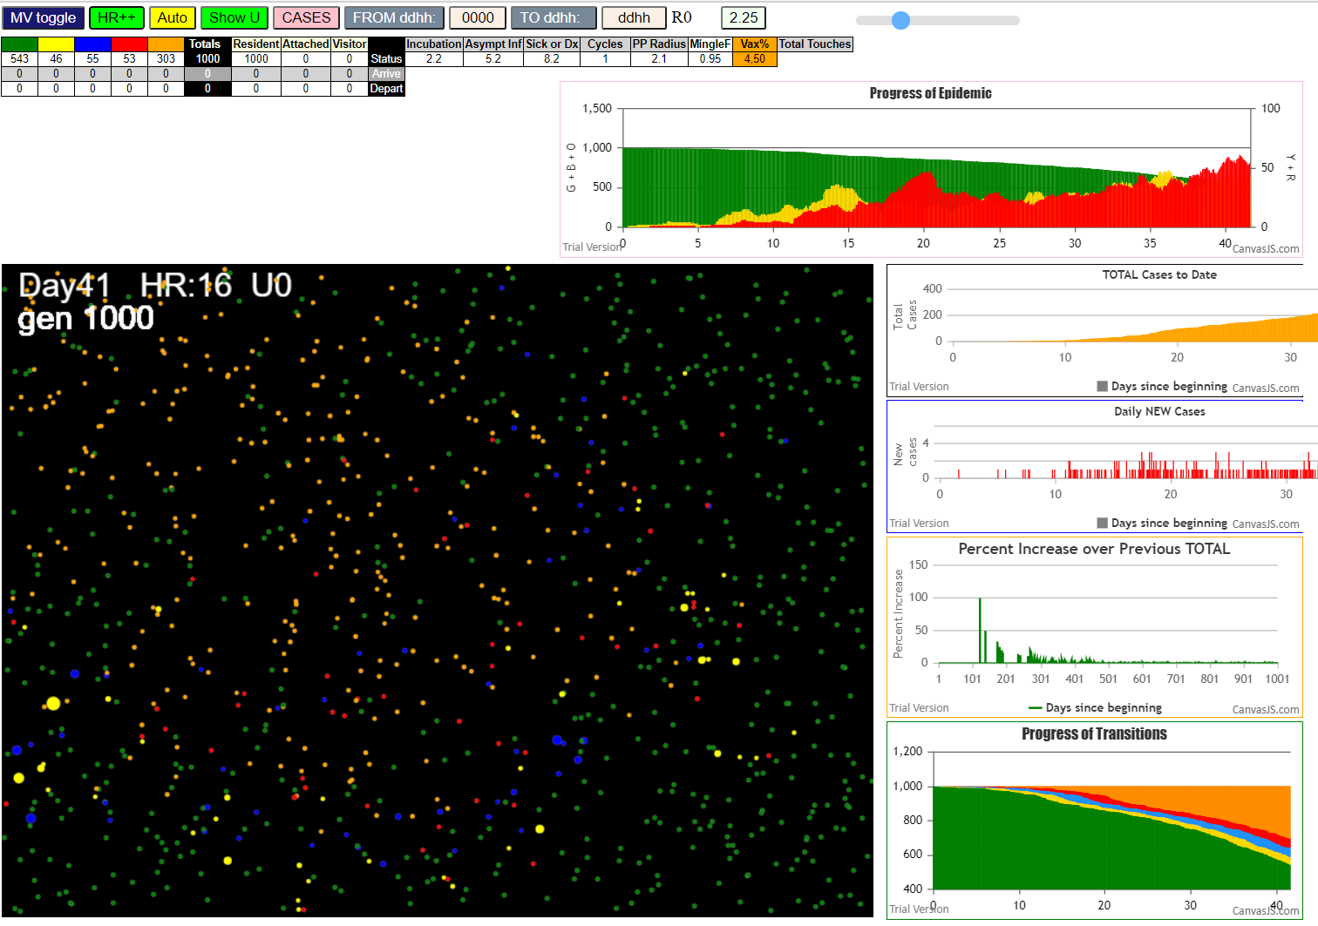

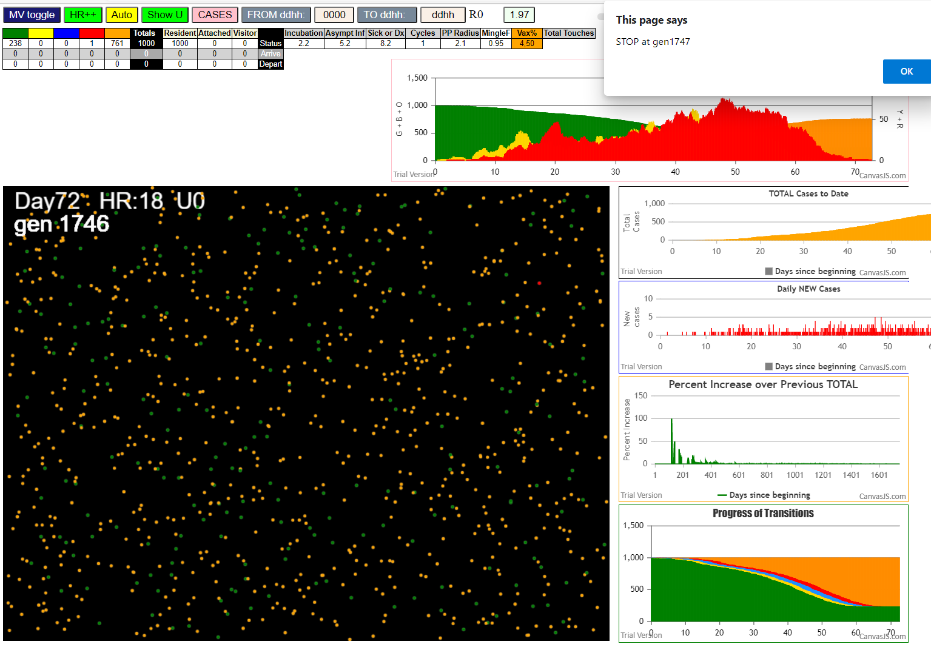
...

Sheet5
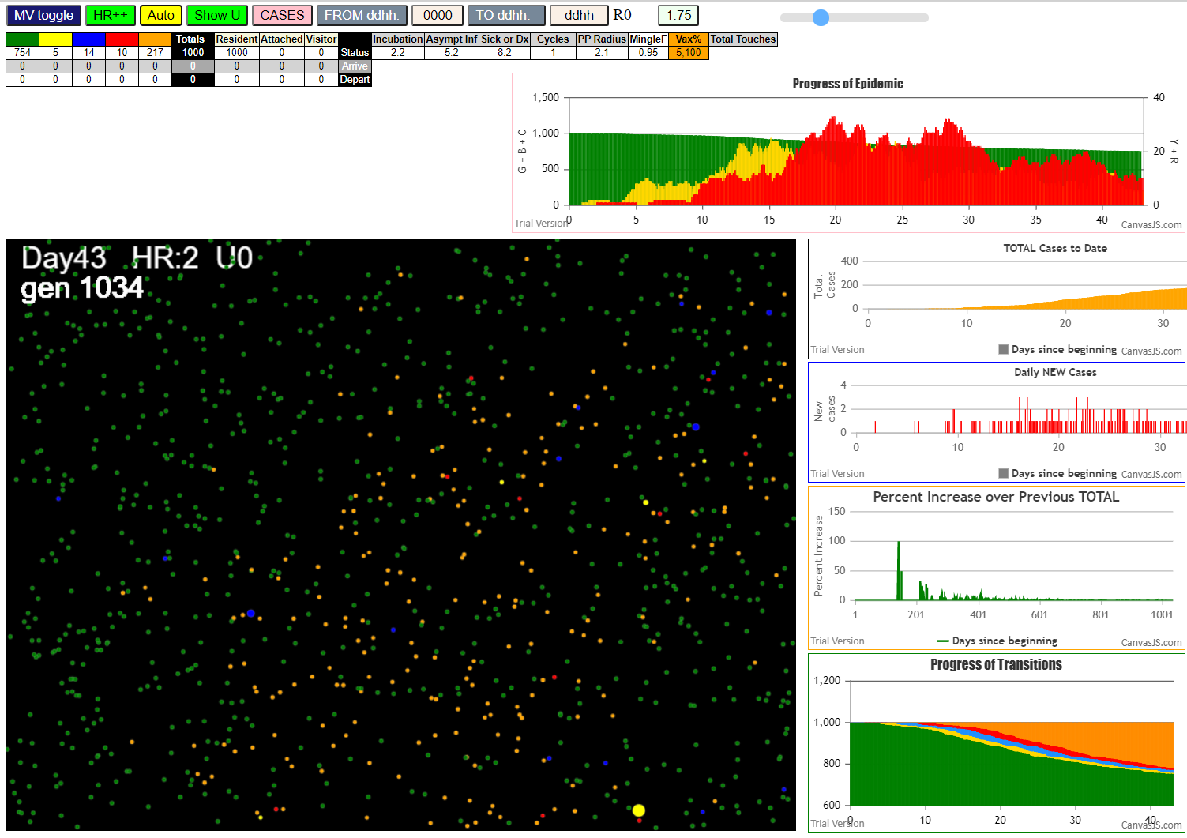

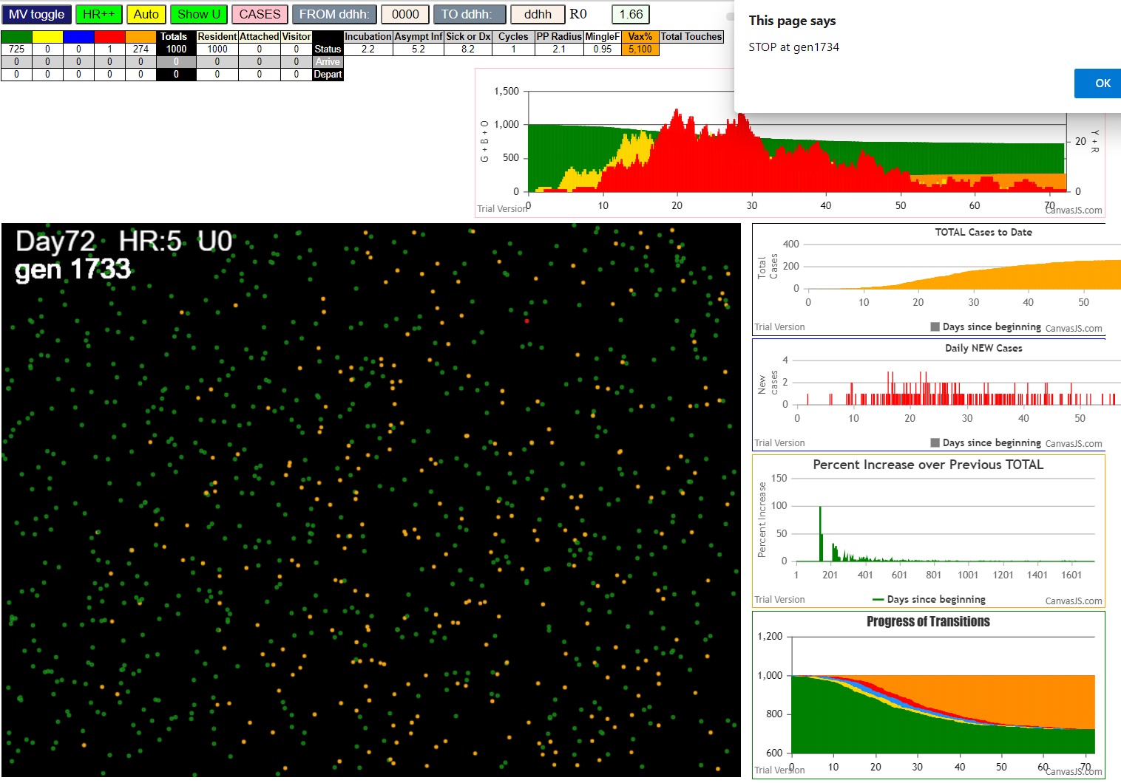
...

Sheet2
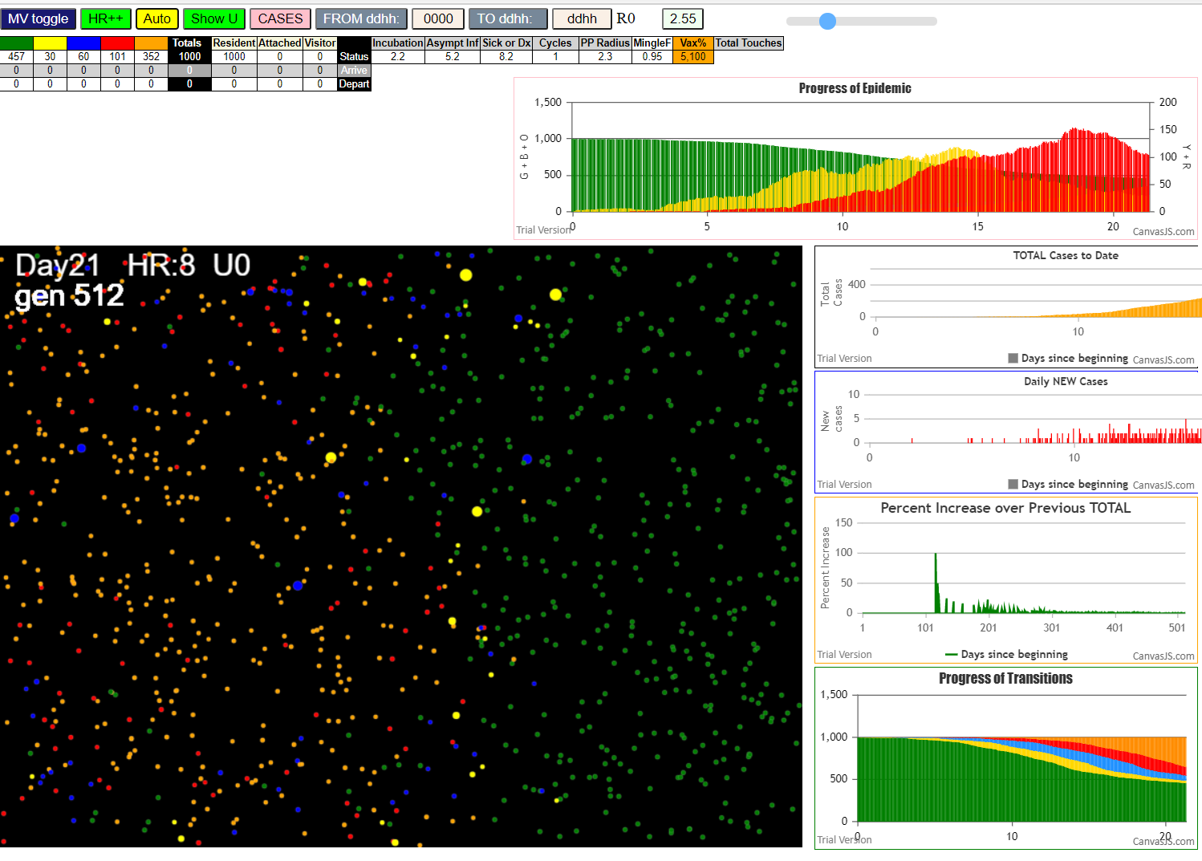

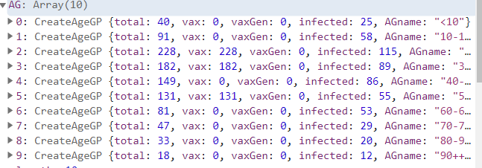

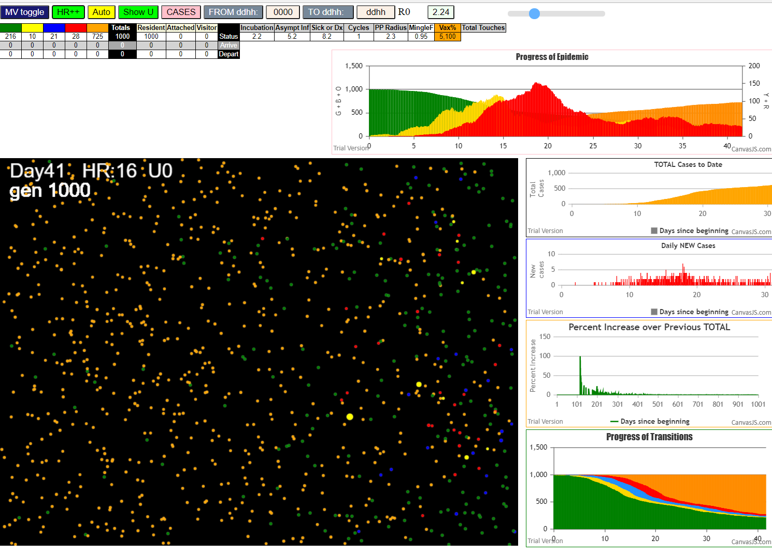

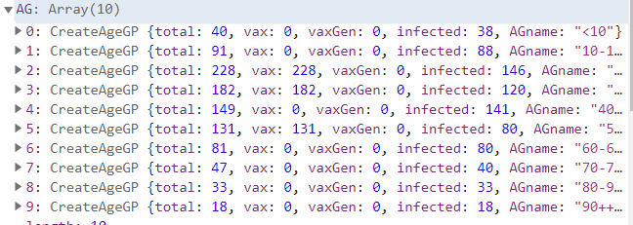

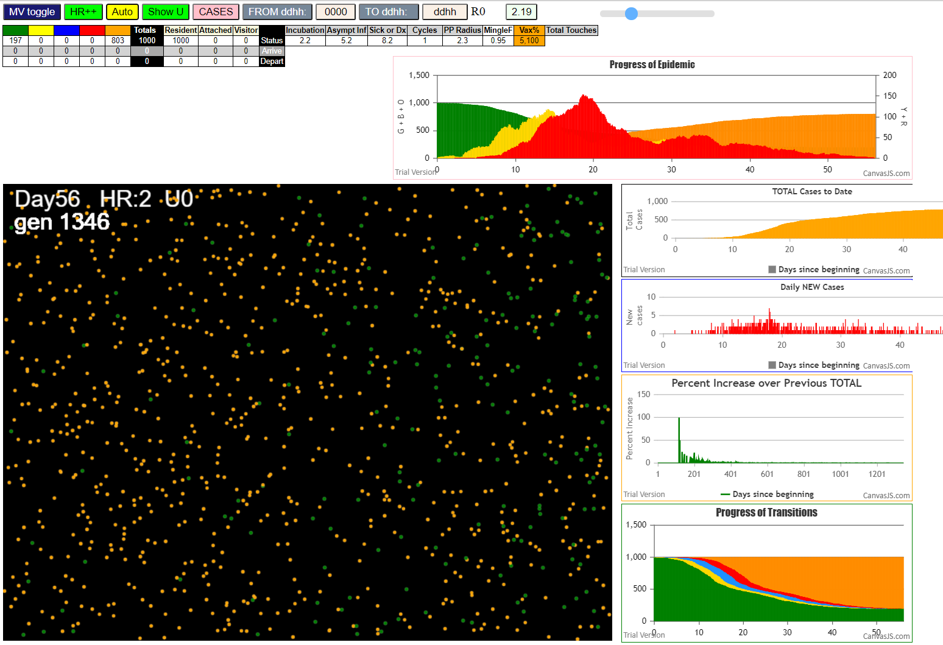

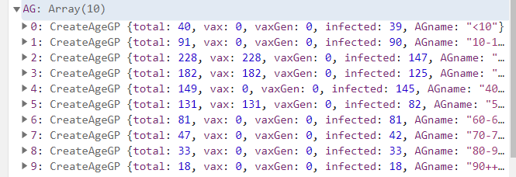

AgeVaxH35.js:871 Sun Jan 31 2021 14:24:59 GMT-0800 (Pacific Standard Time)
AgeVaxH35.js:872 CovidSIMVL Mode1 and Mod2 Hybrid 35d
AgeVaxH35.js:873 Mode 1 >13 and <36 is 75%
AgeVaxH35.js:874 Mode 2 >28 is 95%; >13 and <29 is 75%
AgeVaxH35.js:4464 exit covidSim
AgeVaxH35.js:23 getAsText File {name: "Popn1000.csv", lastModified: 1611430642000, lastModifiedDate: Sat Jan 23 2021 11:37:22 GMT-0800 (Pacific Standard Time), webkitRelativePath: "", size: 23944, …}
AgeVaxH35.js:32 File {name: "Popn1000.csv", lastModified: 1611430642000, lastModifiedDate: Sat Jan 23 2021 11:37:22 GMT-0800 (Pacific Standard Time), webkitRelativePath: "", size: 23944, …}
AgeVaxH35.js:23 getAsText File {name: "VL1ff.csv", lastModified: 1612061327299, lastModifiedDate: Sat Jan 30 2021 18:48:47 GMT-0800 (Pacific Standard Time), webkitRelativePath: "", size: 65, …}
AgeVaxH35.js:32 File {name: "VL1ff.csv", lastModified: 1612061327299, lastModifiedDate: Sat Jan 30 2021 18:48:47 GMT-0800 (Pacific Standard Time), webkitRelativePath: "", size: 65, …}
...

